Figure 2
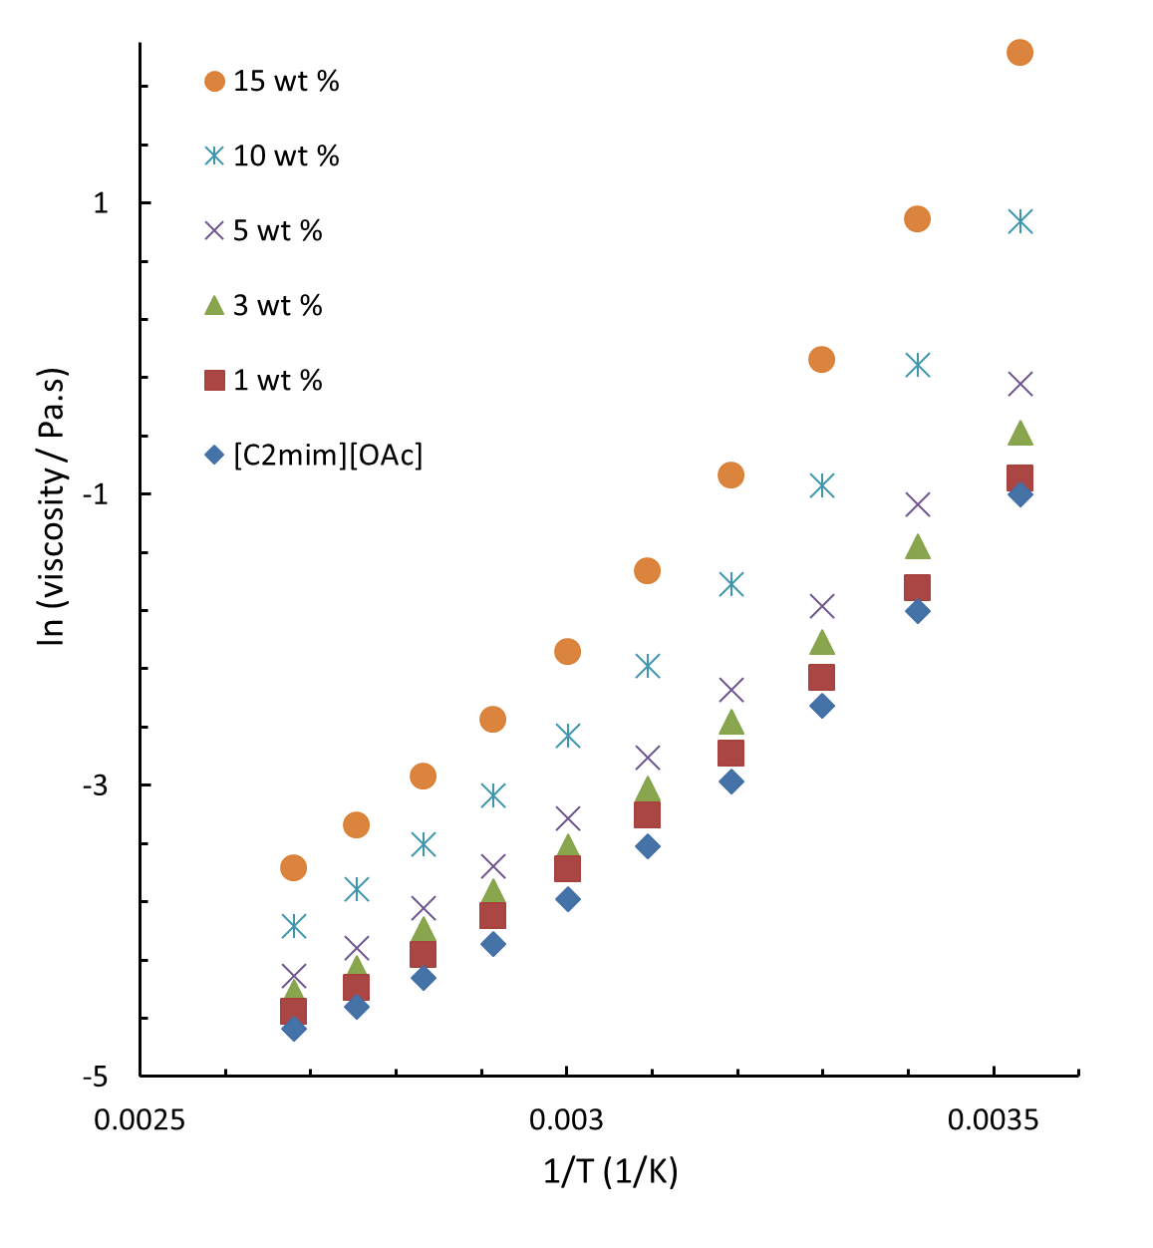
 |  | Concentration of Glucose (wt%) |  |  |  |  |  | Concentration of Glucose (wt%)
 |  | 0 | 1 | 3 | 5 | 10 | 15 | 0 | 1 | 3 | 5 | 10 | 15
Temperature / C | 1/ Temperature (1/K) | viscosity (Pas) |  |  |  |  |  | ln (viscosity / Pas)
10 | 0.0035316969804 | 0.36777 | 0.40957 | 0.5628 | 0.78602 | 2.393 | 7.6107 | -1.0002975362 | -0.89264745013 | -0.57483095374 | -0.24077304158 | 0.87254780893 | 2.0295551519
20 | 0.0034112229234 | 0.16427 | 0.19304 | 0.25764 | 0.34339 | 0.89526 | 2.429 | -1.8062438634 | -1.6448578577 | -1.3561920173 | -1.0688884515 | -0.1106411001 | 0.88747965002
30 | 0.0032986970147 | 0.085742 | 0.1043 | 0.13316 | 0.17105 | 0.39186 | 0.92665 | -2.4564124917 | -2.260483917 | -2.0162038663 | -1.7657993676 | -0.93685064584 | -0.076179346739
40 | 0.0031933578157 | 0.05118 | 0.061891 | 0.076937 | 0.096209 | 0.19855 | 0.41874 | -2.9724064483 | -2.7823805057 | -2.5647683738 | -2.3412323706 | -1.6167143214 | -0.87050507673
50 | 0.0030945381402 | 0.03281 | 0.040622 | 0.048649 | 0.06008 | 0.11274 | 0.2168 | -3.417021932 | -3.2034454872 | -3.0231240255 | -2.8120782715 | -2.1826709963 | -1.5287800094
60 | 0.003001650908 | 0.022792 | 0.027967 | 0.032792 | 0.039737 | 0.070113 | 0.12456 | -3.7813456818 | -3.5767300353 | -3.4175706958 | -3.2254725354 | -2.6576470528 | -2.0829677515
70 | 0.0029141774734 | 0.016763 | 0.020324 | 0.02412 | 0.028652 | 0.046344 | 0.07794 | -4.0885812023 | -3.8959528253 | -3.7247139071 | -3.5525320302 | -3.0716634452 | -2.5518159791
80 | 0.0028316579357 | 0.013268 | 0.015571 | 0.018554 | 0.021433 | 0.033098 | 0.052754 | -4.3224001579 | -4.1623450691 | -3.9870698798 | -3.8428234886 | -3.4082824214 | -2.9421156801
90 | 0.0027536830511 | 0.010887 | 0.012425 | 0.014158 | 0.016306 | 0.02447 | 0.037837 | -4.5201858621 | -4.388044707 | -4.2574754436 | -4.1162221407 | -3.7103074015 | -3.2744678191
100 | 0.0026798874447 | 0.0093329 | 0.010486 | 0.012024 | 0.013409 | 0.018876 | 0.028113 | -4.6742094871 | -4.5577142448 | -4.4208506265 | -4.3118291557 | -3.9698640051 | -3.5715231762

Figure 3
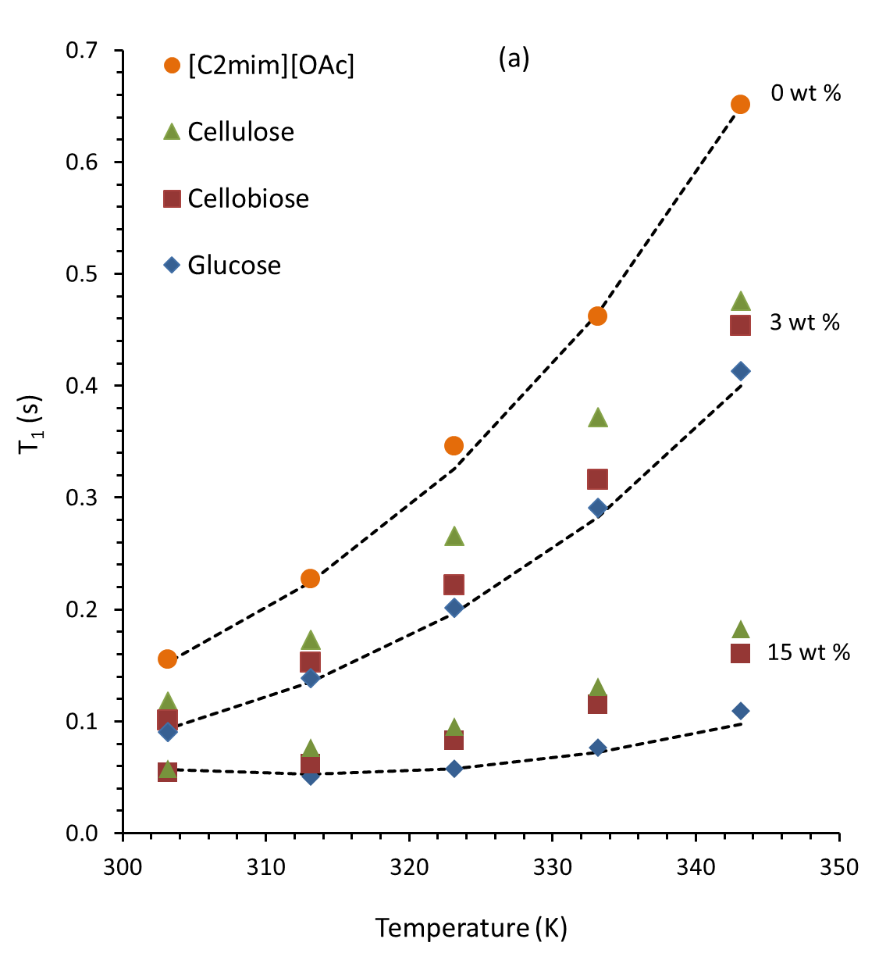
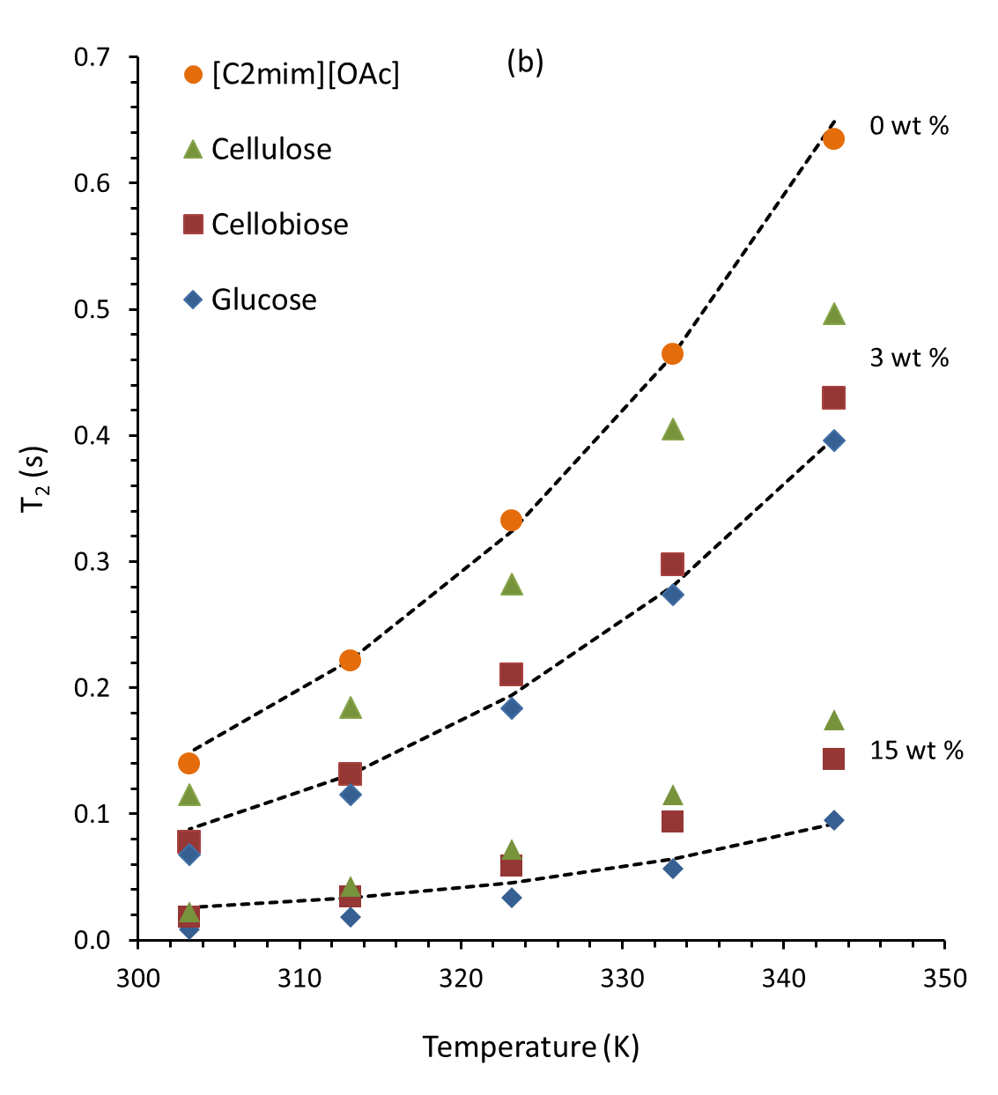
T1 data /s | 3% wt concentration DATA |  |  | 15% w.t. concentration DATA |  |  | PURE |  |  |  | T2 data /s | 3% wt concentration DATA |  |  | 15% w.t. concentration DATA |  |  | Pure
Temperature / K | Glucose | Cellobiose | Cellulose | Glucose | Cellobiose | Cellulose | EMIMAc | BPP Pure | BPP 3%Glucose | BPP 15% Glucose | Temperature / K | Glucose | Cellobiose | Cellulose | Glucose | Cellobiose | Cellulose | EMIMAc | BPP Pure | BPP 3%Glucose | BPP 15% Glucose
343.15 | 0.413 | 0.454 | 0.476 | 0.110 | 0.161 | 0.182 | 0.651 | 0.650 | 0.400 | 0.098 | 343.15 | 0.396 | 0.430 | 0.497 | 0.095 | 0.143 | 0.175 | 0.63491 | 0.649 | 0.398 | 0.092
333.15 | 0.291 | 0.316 | 0.372 | 0.077 | 0.115 | 0.131 | 0.462 | 0.465 | 0.282 | 0.072 | 333.15 | 0.274 | 0.298 | 0.405 | 0.057 | 0.094 | 0.115 | 0.4647 | 0.464 | 0.281 | 0.064
323.15 | 0.202 | 0.222 | 0.266 | 0.058 | 0.083 | 0.095 | 0.346 | 0.326 | 0.196 | 0.058 | 323.15 | 0.184 | 0.210 | 0.282 | 0.034 | 0.059 | 0.072 | 0.33247 | 0.324 | 0.194 | 0.046
313.15 | 0.139 | 0.153 | 0.173 | 0.051 | 0.062 | 0.076 | 0.227 | 0.224 | 0.135 | 0.053 | 313.15 | 0.116 | 0.131 | 0.185 | 0.018 | 0.035 | 0.043 | 0.22135 | 0.222 | 0.131 | 0.033
303.15 | 0.090 | 0.101 | 0.118 | 0.056 | 0.054 | 0.058 | 0.155 | 0.152 | 0.094 | 0.057 | 303.15 | 0.068 | 0.078 | 0.116 | 0.008 | 0.018 | 0.023 | 0.13987 | 0.149 | 0.088 | 0.026

Figure 4
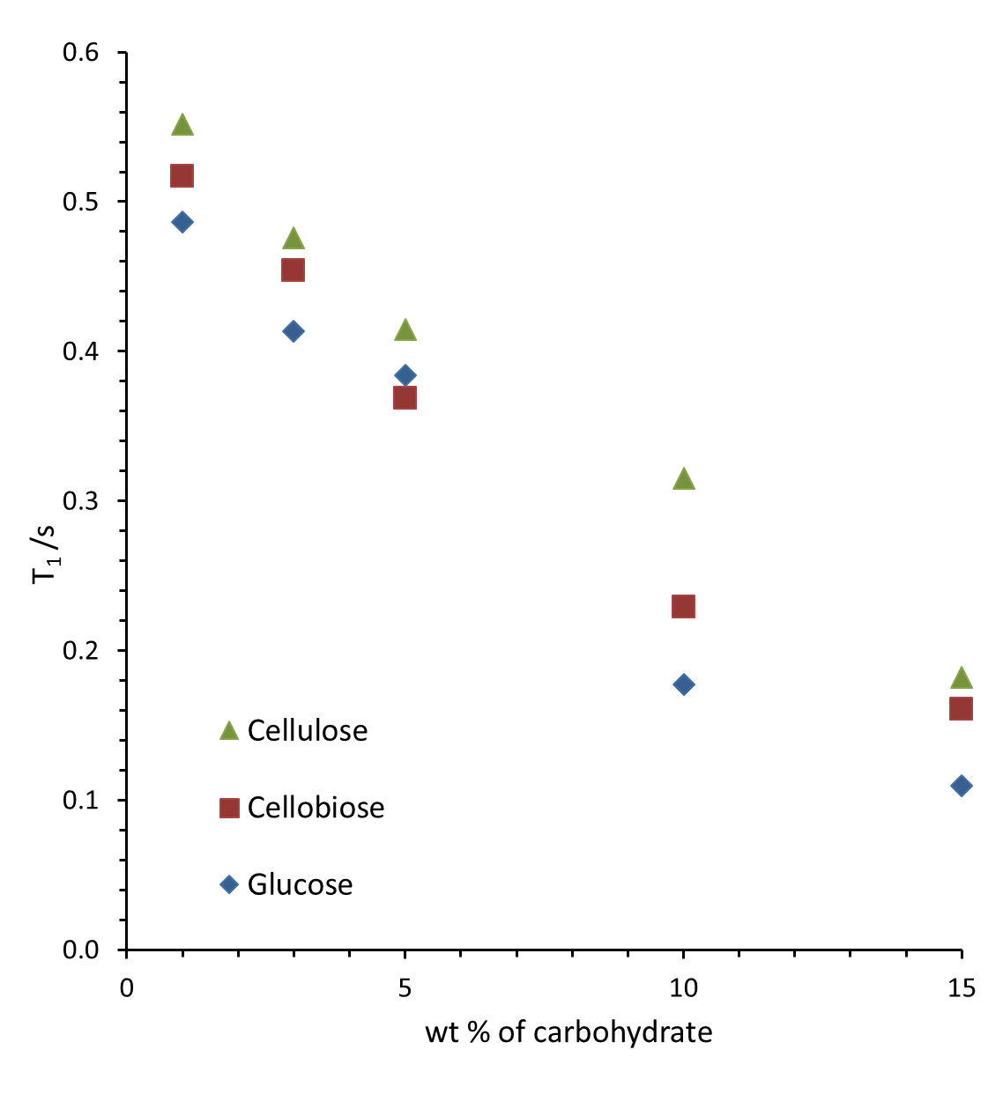
 | Concentration / wt % | Associated Fraction | T1 data at 303 K | T2 data at 303 K |  | Concentration / wt % | Associated Fraction | T1 data at 343 K | T2 data at 343 K
Pure EMIMAc | 0 | 0.000 | 0.155 | 0.140 | Pure EMIMAc | 0 | 0.000 | 0.651 | 0.635
Glucose | 1 | 0.048 | 0.111 | 0.090 | Glucose | 1 | 0.048 | 0.486 | 0.483
 | 3 | 0.146 | 0.090 | 0.068 |  | 3 | 0.146 | 0.413 | 0.396
 | 5 | 0.249 | 0.084 | 0.062 |  | 5 | 0.249 | 0.384 | 0.362
 | 10 | 0.525 | 0.052 | 0.022 |  | 10 | 0.525 | 0.177 | 0.170
 | 15 | 0.833 | 0.056 | 0.008 |  | 15 | 0.833 | 0.110 | 0.095
Cellobiose | 1 | 0.040 | 0.116 | 0.089 | Cellobiose | 1 | 0.040 | 0.517 | 0.477
 | 3 | 0.123 | 0.101 | 0.078 |  | 3 | 0.123 | 0.454 | 0.430
 | 5 | 0.209 | 0.086 | 0.062 |  | 5 | 0.209 | 0.368 | 0.350
 | 10 | 0.442 | 0.062 | 0.034 |  | 10 | 0.442 | 0.229 | 0.221
 | 15 | 0.702 | 0.054 | 0.018 |  | 15 | 0.702 | 0.161 | 0.143
Cellulose | 1 | 0.032 | 0.141 | 0.116 | Cellulose | 1 | 0.032 | 0.552 | 0.557
 | 3 | 0.097 | 0.118 | 0.097 |  | 3 | 0.097 | 0.476 | 0.497
 | 5 | 0.166 | 0.119 | 0.089 |  | 5 | 0.166 | 0.415 | 0.445
 | 10 | 0.350 | 0.077 | 0.054 |  | 10 | 0.350 | 0.315 | 0.312
 | 15 | 0.556 | 0.058 | 0.023 |  | 15 | 0.556 | 0.182 | 0.175

Figure 5
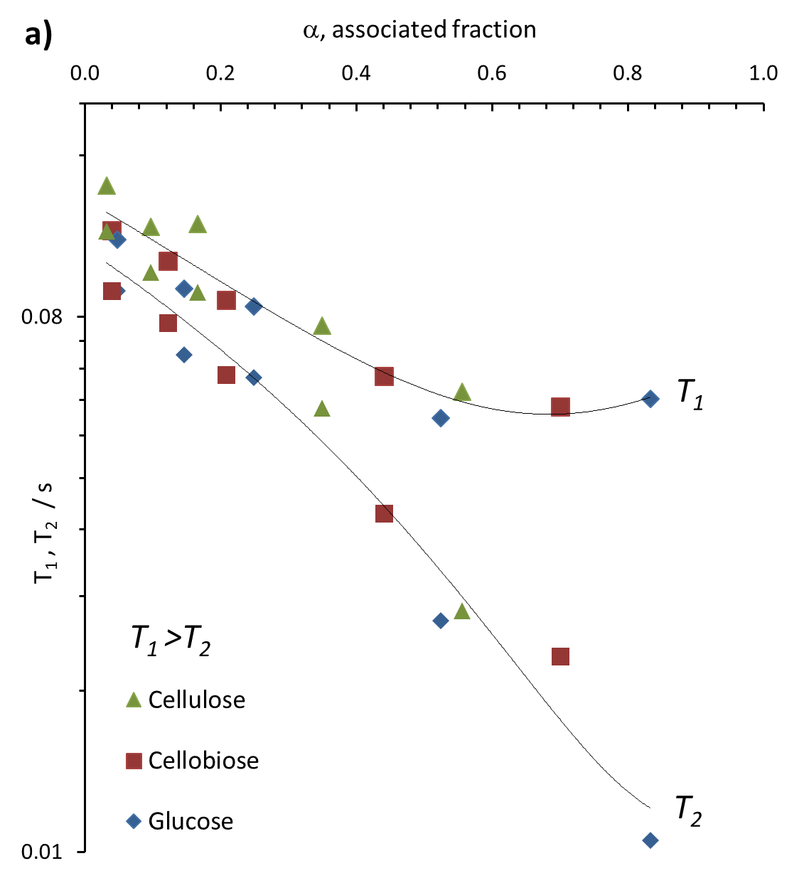
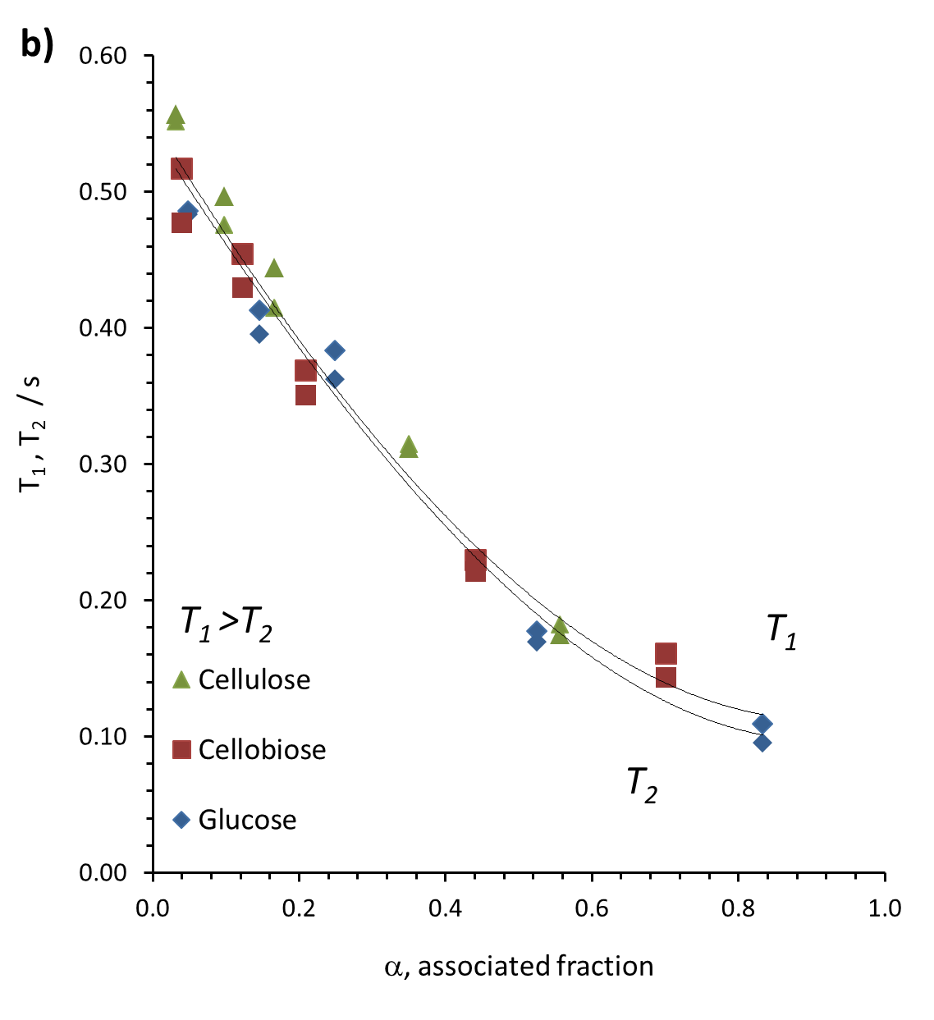
 | Concentration / wt % | Associated Fraction | T1 data at 303 K | T2 data at 303 K |  | Concentration / wt % | Associated Fraction | T1 data at 343 K | T2 data at 343 K
Pure EMIMAc | 0 | 0.000 | 0.155 | 0.140 | Pure EMIMAc | 0 | 0.000 | 0.651 | 0.635
Glucose | 1 | 0.048 | 0.111 | 0.090 | Glucose | 1 | 0.048 | 0.486 | 0.483
 | 3 | 0.146 | 0.090 | 0.068 |  | 3 | 0.146 | 0.413 | 0.396
 | 5 | 0.249 | 0.084 | 0.062 |  | 5 | 0.249 | 0.384 | 0.362
 | 10 | 0.525 | 0.052 | 0.022 |  | 10 | 0.525 | 0.177 | 0.170
 | 15 | 0.833 | 0.056 | 0.008 |  | 15 | 0.833 | 0.110 | 0.095
Cellobiose | 1 | 0.040 | 0.116 | 0.089 | Cellobiose | 1 | 0.040 | 0.517 | 0.477
 | 3 | 0.123 | 0.101 | 0.078 |  | 3 | 0.123 | 0.454 | 0.430
 | 5 | 0.209 | 0.086 | 0.062 |  | 5 | 0.209 | 0.368 | 0.350
 | 10 | 0.442 | 0.062 | 0.034 |  | 10 | 0.442 | 0.229 | 0.221
 | 15 | 0.702 | 0.054 | 0.018 |  | 15 | 0.702 | 0.161 | 0.143
Cellulose | 1 | 0.032 | 0.141 | 0.116 | Cellulose | 1 | 0.032 | 0.552 | 0.557
 | 3 | 0.097 | 0.118 | 0.097 |  | 3 | 0.097 | 0.476 | 0.497
 | 5 | 0.166 | 0.119 | 0.089 |  | 5 | 0.166 | 0.415 | 0.445
 | 10 | 0.350 | 0.077 | 0.054 |  | 10 | 0.350 | 0.315 | 0.312
 | 15 | 0.556 | 0.058 | 0.023 |  | 15 | 0.556 | 0.182 | 0.175

Figure 6
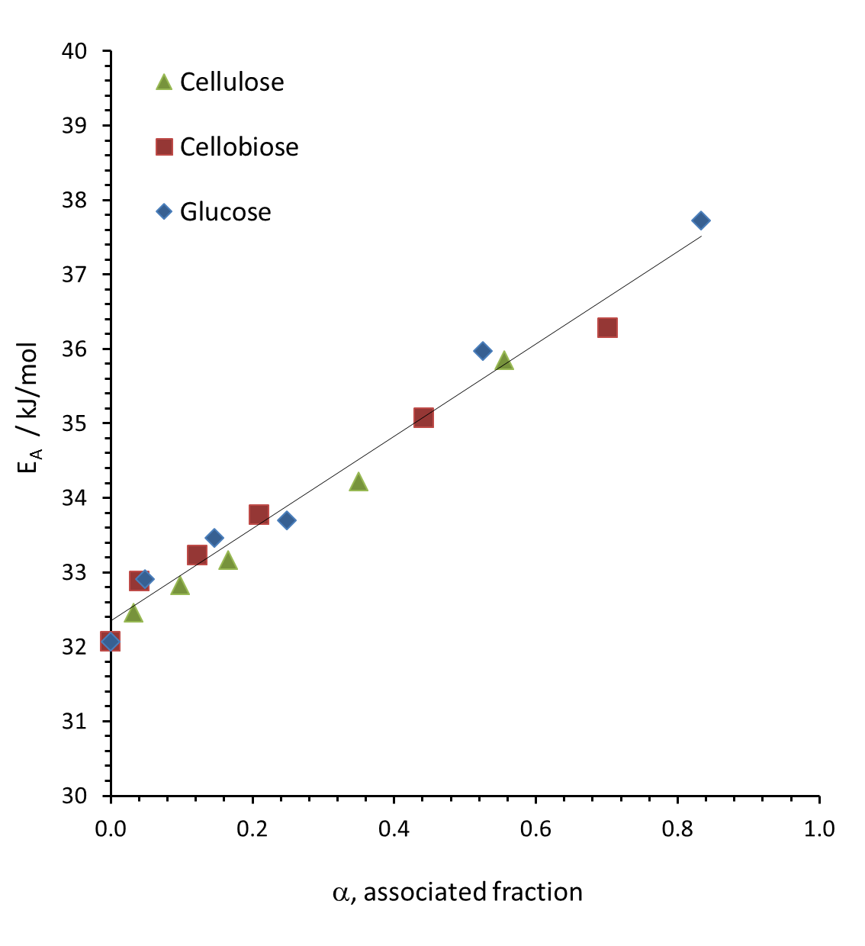
Associated Fraction | Activation Energy (kJ/mol)
0 | 32.07
0.040167759466 | 32.88
0.12298788208 | 33.23
0.20929516774 | 33.77
0.44184535413 | 35.08
0.70175438596 | 36.29
0.032 | 32.46
0.097 | 32.83
0.166 | 33.17
0.350 | 34.22
0.556 | 35.85
0.048 | 32.91
0.146 | 33.46
0.249 | 33.69
0.525 | 35.97
0.833 | 37.73

Figure 7
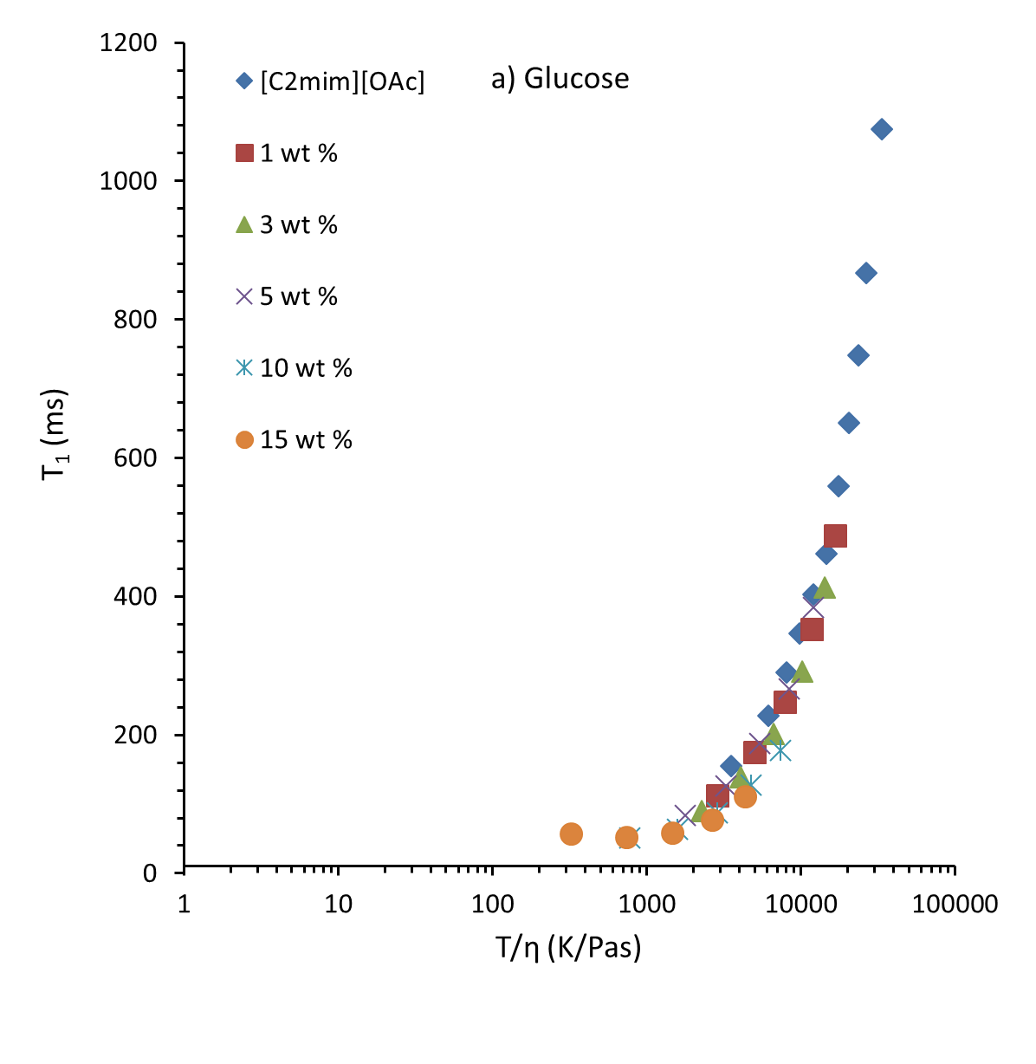
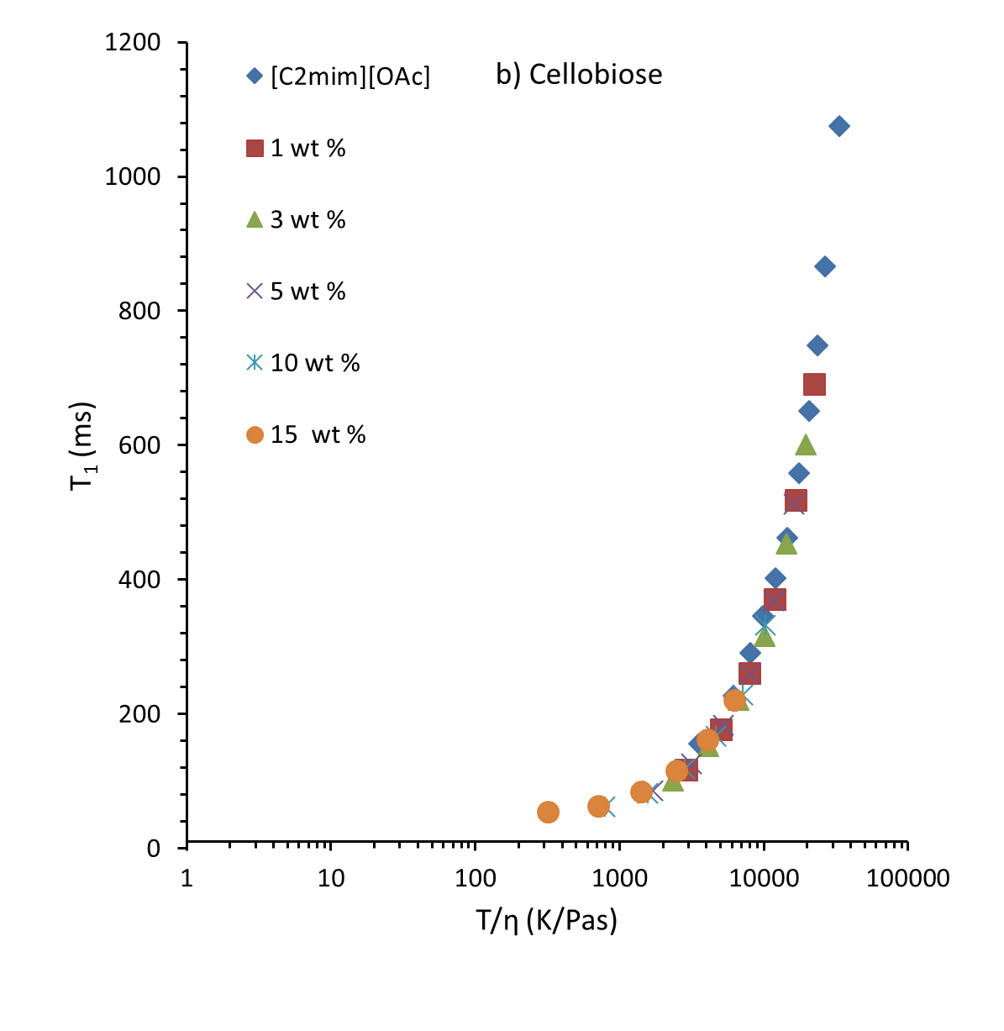
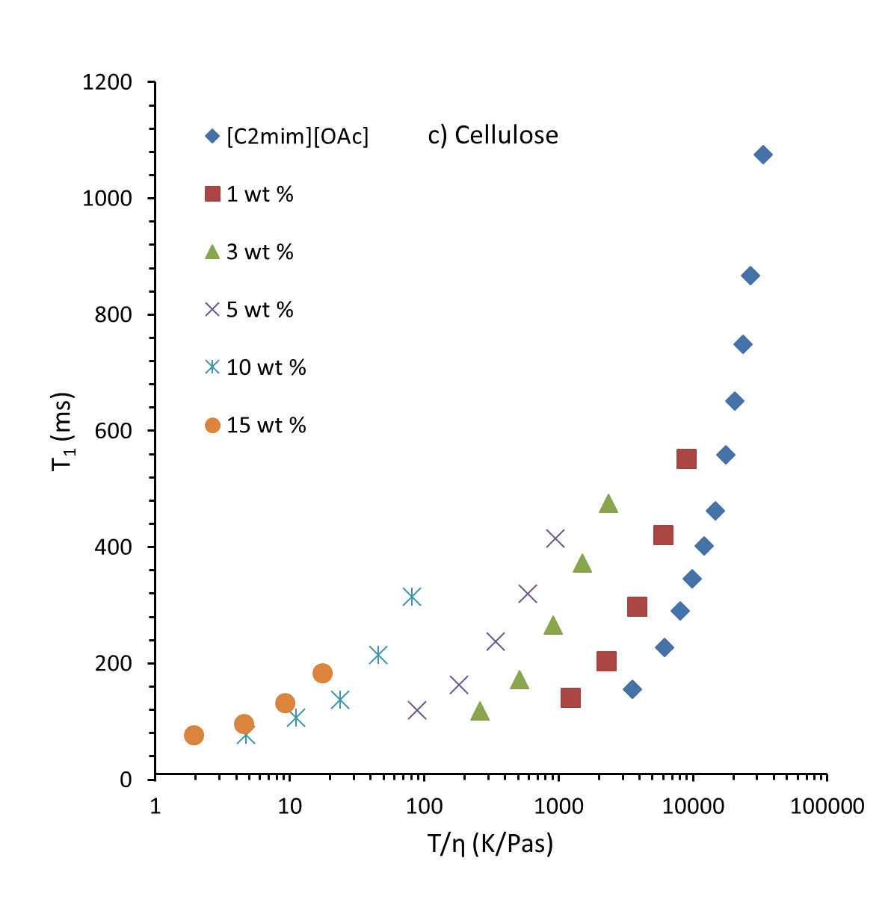
glucose
EMIMAc
 | T1/ms | η0 (Pa.s) | 1/ T1 / s^-1 | η/T | T/η | T2 / ms | 1/T2 / s^-1
30 | 155.48 | 0.085742 | 6.4316953949 | 0.00028283687943 | 3535.6068205 | 139.87 | 7.1494959605
40 | 227.22 | 0.05118 | 4.4010210369 | 0.00016343605301 | 6118.601016 | 221.35 | 4.5177320985
45 | 290.55 | 0.039668 | 3.4417484082 | 0.00012468332548 | 8020.3186448 | 276.09 | 3.6220073165
50 | 346.29 | 0.03281 | 2.8877530394 | 0.00010153179638 | 9849.1313624 | 332.47 | 3.0077901766
55 | 402.43 | 0.02709 | 2.4849042069 | 8.2553710194E-05 | 12113.325951 | 401.76 | 2.489048188
60 | 462.1 | 0.022792 | 2.1640337589 | 6.8413627495E-05 | 14616.970867 | 464.7 | 2.1519259737
65 | 558.89 | 0.019391 | 1.7892608563 | 5.7344373799E-05 | 17438.502398 | 553.24 | 1.8075338009
70 | 651.16 | 0.016763 | 1.5357208674 | 4.8850356987E-05 | 20470.679473 | 634.91 | 1.5750263817
75 | 748.42 | 0.014792 | 1.3361481521 | 4.2487433577E-05 | 23536.371011 | 729.26 | 1.371253051
80 | 866.66 | 0.013268 | 1.1538550297 | 3.7570437491E-05 | 26616.671691 | 810.65 | 1.233577993
90 | 1074.72 | 0.010887 | 0.9304749144 | 2.9979347377E-05 | 33356.2965 | 1082.05 | 0.9241717111

cellobiose
EMIMAc
 | T1/ms | η0 (Pa.s) | 1/ T1 / s^-1 | η/T | T/η | T2 / ms | 1/T2 / s^-1
30 | 155.48 | 0.085742 | 6.4316953949 | 0.00028283687943 | 3535.6068205 | 139.87 | 7.1494959605
40 | 227.22 | 0.05118 | 4.4010210369 | 0.00016343605301 | 6118.601016 | 221.35 | 4.5177320985
45 | 290.55 | 0.039668 | 3.4417484082 | 0.00012468332548 | 8020.3186448 | 276.09 | 3.6220073165
50 | 346.29 | 0.03281 | 2.8877530394 | 0.00010153179638 | 9849.1313624 | 332.47 | 3.0077901766
55 | 402.43 | 0.02709 | 2.4849042069 | 8.2553710194E-05 | 12113.325951 | 401.76 | 2.489048188
60 | 462.1 | 0.022792 | 2.1640337589 | 6.8413627495E-05 | 14616.970867 | 464.7 | 2.1519259737
65 | 558.89 | 0.019391 | 1.7892608563 | 5.7344373799E-05 | 17438.502398 | 553.24 | 1.8075338009
70 | 651.16 | 0.016763 | 1.5357208674 | 4.8850356987E-05 | 20470.679473 | 634.91 | 1.5750263817
75 | 748.42 | 0.014792 | 1.3361481521 | 4.2487433577E-05 | 23536.371011 | 729.26 | 1.371253051
80 | 866.66 | 0.013268 | 1.1538550297 | 3.7570437491E-05 | 26616.671691 | 810.65 | 1.233577993
90 | 1074.72 | 0.010887 | 0.9304749144 | 2.9979347377E-05 | 33356.2965 | 1082.05 | 0.9241717111

cellulose
EMIMAc
 | T1/ms | η0 (Pa.s) | 1/ T1 / s^-1 | η/T | T/η | T2 / ms | 1/T2 / s^-1
30 | 155.48 | 0.085742 | 6.4316953949 | 0.00028283687943 | 3535.6068205 | 139.87 | 7.1494959605
40 | 227.22 | 0.05118 | 4.4010210369 | 0.00016343605301 | 6118.601016 | 221.35 | 4.5177320985
45 | 290.55 | 0.039668 | 3.4417484082 | 0.00012468332548 | 8020.3186448 | 276.09 | 3.6220073165
50 | 346.29 | 0.03281 | 2.8877530394 | 0.00010153179638 | 9849.1313624 | 332.47 | 3.0077901766
55 | 402.43 | 0.02709 | 2.4849042069 | 8.2553710194E-05 | 12113.325951 | 401.76 | 2.489048188
60 | 462.1 | 0.022792 | 2.1640337589 | 6.8413627495E-05 | 14616.970867 | 464.7 | 2.1519259737
65 | 558.89 | 0.019391 | 1.7892608563 | 5.7344373799E-05 | 17438.502398 | 553.24 | 1.8075338009
70 | 651.16 | 0.016763 | 1.5357208674 | 4.8850356987E-05 | 20470.679473 | 634.91 | 1.5750263817
75 | 748.42 | 0.014792 | 1.3361481521 | 4.2487433577E-05 | 23536.371011 | 729.26 | 1.371253051
80 | 866.66 | 0.013268 | 1.1538550297 | 3.7570437491E-05 | 26616.671691 | 810.65 | 1.233577993
90 | 1074.72 | 0.010887 | 0.9304749144 | 2.9979347377E-05 | 33356.2965 | 1082.05 | 0.9241717111

Figure SI1
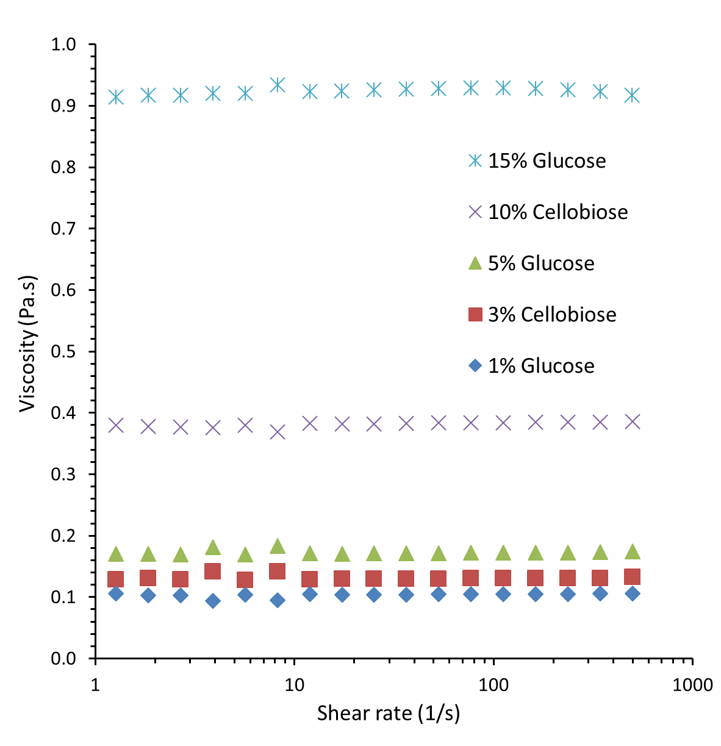
ALL DATA AT 30C.
 | 1% Glucose |  | 3% Cellobiose |  | 5% Glucose |  | 10% Cellobiose |  | 15% Glucose
 | Shear rate /s | Viscosity/ Pas | Shear rate /s | Viscosity/ Pas | Shear rate /s | Viscosity/ Pas | Shear rate /s | Viscosity/ Pas | Shear rate /s | Viscosity/ Pas
 | 0.0099544 | 0.052705 | 0.0099549 | 0.11613 | 0.0099565 | 0.099092 | 0.0099527 | 0.53401 | 0.0099396 | 1.1116
 | 0.014456 | 0.045689 | 0.014457 | 0.10811 | 0.014455 | 0.10804 | 0.014456 | 0.38986 | 0.01445 | 0.8708
 | 0.020994 | 0.054033 | 0.020995 | 0.1472 | 0.020997 | 0.13229 | 0.020993 | 0.38316 | 0.020984 | 0.87394
 | 0.030486 | 0.077807 | 0.030489 | 0.11697 | 0.030492 | 0.128 | 0.03049 | 0.4098 | 0.030481 | 0.82478
 | 0.044276 | 0.072192 | 0.044275 | 0.12821 | 0.044279 | 0.15251 | 0.04427 | 0.37157 | 0.044244 | 0.91468
 | 0.064304 | 0.089436 | 0.064299 | 0.12402 | 0.064298 | 0.14935 | 0.064296 | 0.3732 | 0.064256 | 0.8923
 | 0.093384 | 0.091261 | 0.093377 | 0.12564 | 0.093378 | 0.15914 | 0.093371 | 0.37924 | 0.093305 | 0.89879
 | 0.13561 | 0.098983 | 0.13561 | 0.12626 | 0.1356 | 0.16709 | 0.1356 | 0.37299 | 0.13551 | 0.90762
 | 0.19694 | 0.098989 | 0.19694 | 0.12483 | 0.19693 | 0.16112 | 0.19692 | 0.37417 | 0.19683 | 0.89874
 | 0.28599 | 0.10268 | 0.28597 | 0.12287 | 0.28597 | 0.16114 | 0.28596 | 0.37451 | 0.28584 | 0.90214
 | 0.41533 | 0.10548 | 0.41532 | 0.12327 | 0.41533 | 0.16395 | 0.41536 | 0.37363 | 0.41545 | 0.90813
 | 0.60309 | 0.10552 | 0.6031 | 0.12482 | 0.60313 | 0.16917 | 0.60318 | 0.37445 | 0.60283 | 0.91149
 | 0.87589 | 0.10691 | 0.8759 | 0.12628 | 0.8759 | 0.16928 | 0.87588 | 0.37867 | 0.8755 | 0.90991
 | 1.2719 | 0.10607 | 1.272 | 0.12849 | 1.2719 | 0.17003 | 1.2719 | 0.37979 | 1.2715 | 0.91413
 | 1.8472 | 0.10281 | 1.8472 | 0.13031 | 1.8473 | 0.17055 | 1.8472 | 0.37813 | 1.8465 | 0.91676
 | 2.6827 | 0.10257 | 2.6825 | 0.12881 | 2.6825 | 0.16958 | 2.6824 | 0.37696 | 2.6812 | 0.91695
 | 3.8963 | 0.094058 | 3.8955 | 0.14151 | 3.8954 | 0.18084 | 3.8951 | 0.37561 | 3.894 | 0.91993
 | 5.6574 | 0.10384 | 5.6572 | 0.12783 | 5.6576 | 0.16927 | 5.6574 | 0.37995 | 5.655 | 0.91979
 | 8.2159 | 0.094654 | 8.2157 | 0.14152 | 8.2158 | 0.18339 | 8.2155 | 0.36948 | 8.2122 | 0.93412
 | 11.931 | 0.10461 | 11.931 | 0.12886 | 11.932 | 0.17113 | 11.931 | 0.38242 | 11.926 | 0.92315
 | 17.327 | 0.10405 | 17.327 | 0.12928 | 17.327 | 0.17065 | 17.326 | 0.38176 | 17.319 | 0.92465
 | 25.162 | 0.1039 | 25.163 | 0.12936 | 25.163 | 0.17113 | 25.162 | 0.38226 | 25.151 | 0.92616
 | 36.542 | 0.1043 | 36.539 | 0.12975 | 36.542 | 0.17105 | 36.54 | 0.38327 | 36.525 | 0.92665
 | 53.068 | 0.10442 | 53.067 | 0.12984 | 53.066 | 0.17166 | 53.064 | 0.38354 | 53.043 | 0.92813
 | 77.059 | 0.10479 | 77.059 | 0.13026 | 77.065 | 0.17197 | 77.061 | 0.38403 | 77.029 | 0.92881
 | 111.91 | 0.10482 | 111.92 | 0.13024 | 111.91 | 0.17234 | 111.91 | 0.38417 | 111.87 | 0.92932
 | 162.52 | 0.10512 | 162.52 | 0.13062 | 162.52 | 0.17262 | 162.51 | 0.38501 | 162.45 | 0.92854
 | 236.02 | 0.10516 | 236.02 | 0.13082 | 236.02 | 0.17269 | 236.01 | 0.38499 | 235.91 | 0.92649
 | 342.76 | 0.10538 | 342.74 | 0.13106 | 342.74 | 0.17297 | 342.75 | 0.385 | 342.57 | 0.92327
 | 497.76 | 0.10564 | 497.75 | 0.13249 | 497.77 | 0.17433 | 497.74 | 0.38555 | 497.52 | 0.91746

Figure SI2
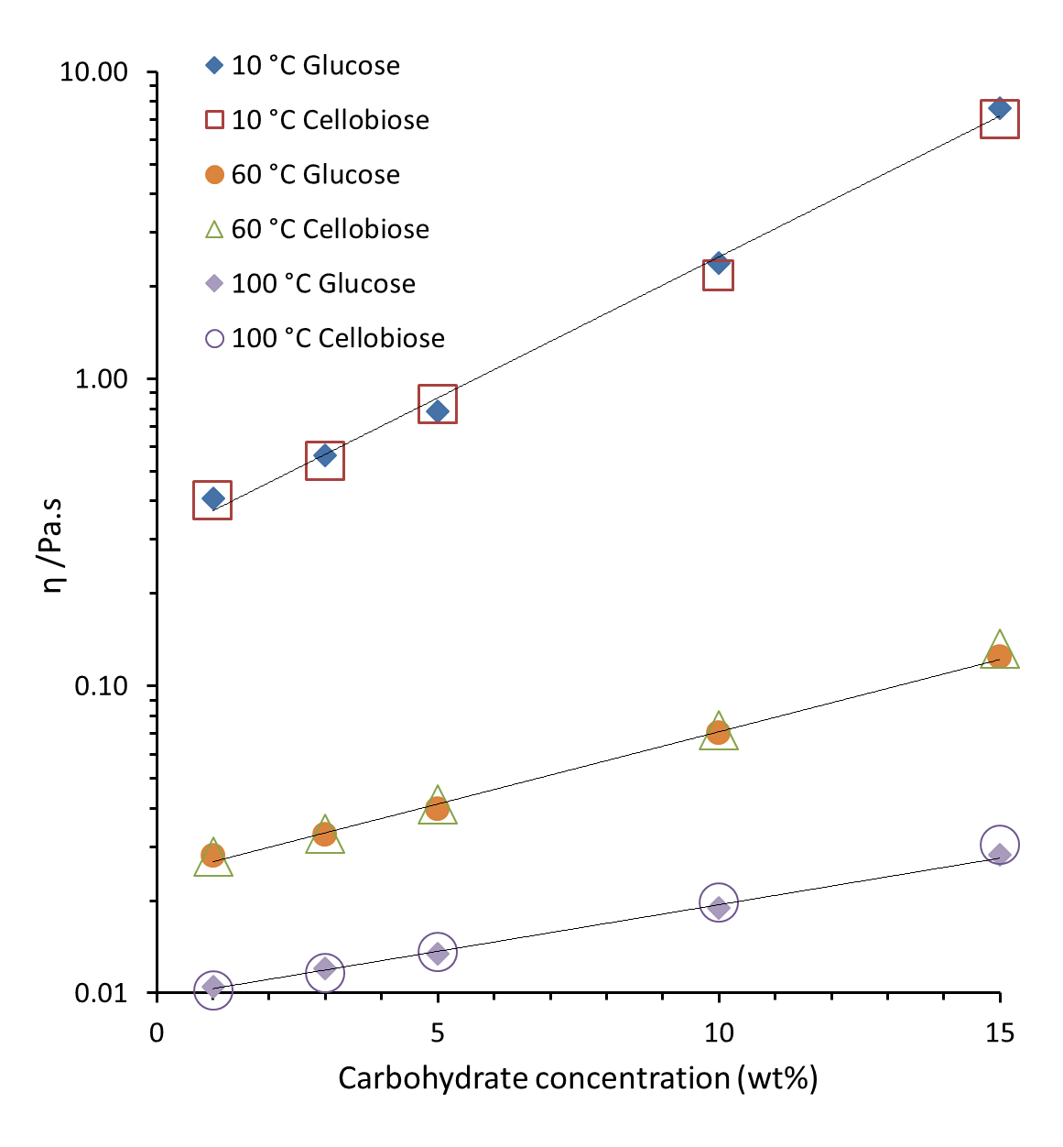
 |  | Concentration of Glucose (wt%) |  |  |  |  |  | Concentration of Glucose (wt%)
 |  | 0 | 1 | 3 | 5 | 10 | 15 | 0 | 1 | 3 | 5 | 10 | 15
Temperature / C | 1/ Temperature (1/K) | viscosity (Pas) |  |  |  |  |  | ln (viscosity / Pas)
10 | 0.0035316969804 | 0.36777 | 0.40957 | 0.5628 | 0.78602 | 2.393 | 7.6107 | -1.0002975362 | -0.89264745013 | -0.57483095374 | -0.24077304158 | 0.87254780893 | 2.0295551519
20 | 0.0034112229234 | 0.16427 | 0.19304 | 0.25764 | 0.34339 | 0.89526 | 2.429 | -1.8062438634 | -1.6448578577 | -1.3561920173 | -1.0688884515 | -0.1106411001 | 0.88747965002
30 | 0.0032986970147 | 0.085742 | 0.1043 | 0.13316 | 0.17105 | 0.39186 | 0.92665 | -2.4564124917 | -2.260483917 | -2.0162038663 | -1.7657993676 | -0.93685064584 | -0.076179346739
40 | 0.0031933578157 | 0.05118 | 0.061891 | 0.076937 | 0.096209 | 0.19855 | 0.41874 | -2.9724064483 | -2.7823805057 | -2.5647683738 | -2.3412323706 | -1.6167143214 | -0.87050507673
50 | 0.0030945381402 | 0.03281 | 0.040622 | 0.048649 | 0.06008 | 0.11274 | 0.2168 | -3.417021932 | -3.2034454872 | -3.0231240255 | -2.8120782715 | -2.1826709963 | -1.5287800094
60 | 0.003001650908 | 0.022792 | 0.027967 | 0.032792 | 0.039737 | 0.070113 | 0.12456 | -3.7813456818 | -3.5767300353 | -3.4175706958 | -3.2254725354 | -2.6576470528 | -2.0829677515
70 | 0.0029141774734 | 0.016763 | 0.020324 | 0.02412 | 0.028652 | 0.046344 | 0.07794 | -4.0885812023 | -3.8959528253 | -3.7247139071 | -3.5525320302 | -3.0716634452 | -2.5518159791
80 | 0.0028316579357 | 0.013268 | 0.015571 | 0.018554 | 0.021433 | 0.033098 | 0.052754 | -4.3224001579 | -4.1623450691 | -3.9870698798 | -3.8428234886 | -3.4082824214 | -2.9421156801
90 | 0.0027536830511 | 0.010887 | 0.012425 | 0.014158 | 0.016306 | 0.02447 | 0.037837 | -4.5201858621 | -4.388044707 | -4.2574754436 | -4.1162221407 | -3.7103074015 | -3.2744678191
100 | 0.0026798874447 | 0.0093329 | 0.010486 | 0.012024 | 0.013409 | 0.018876 | 0.028113 | -4.6742094871 | -4.5577142448 | -4.4208506265 | -4.3118291557 | -3.9698640051 | -3.5715231762

Figure SI4
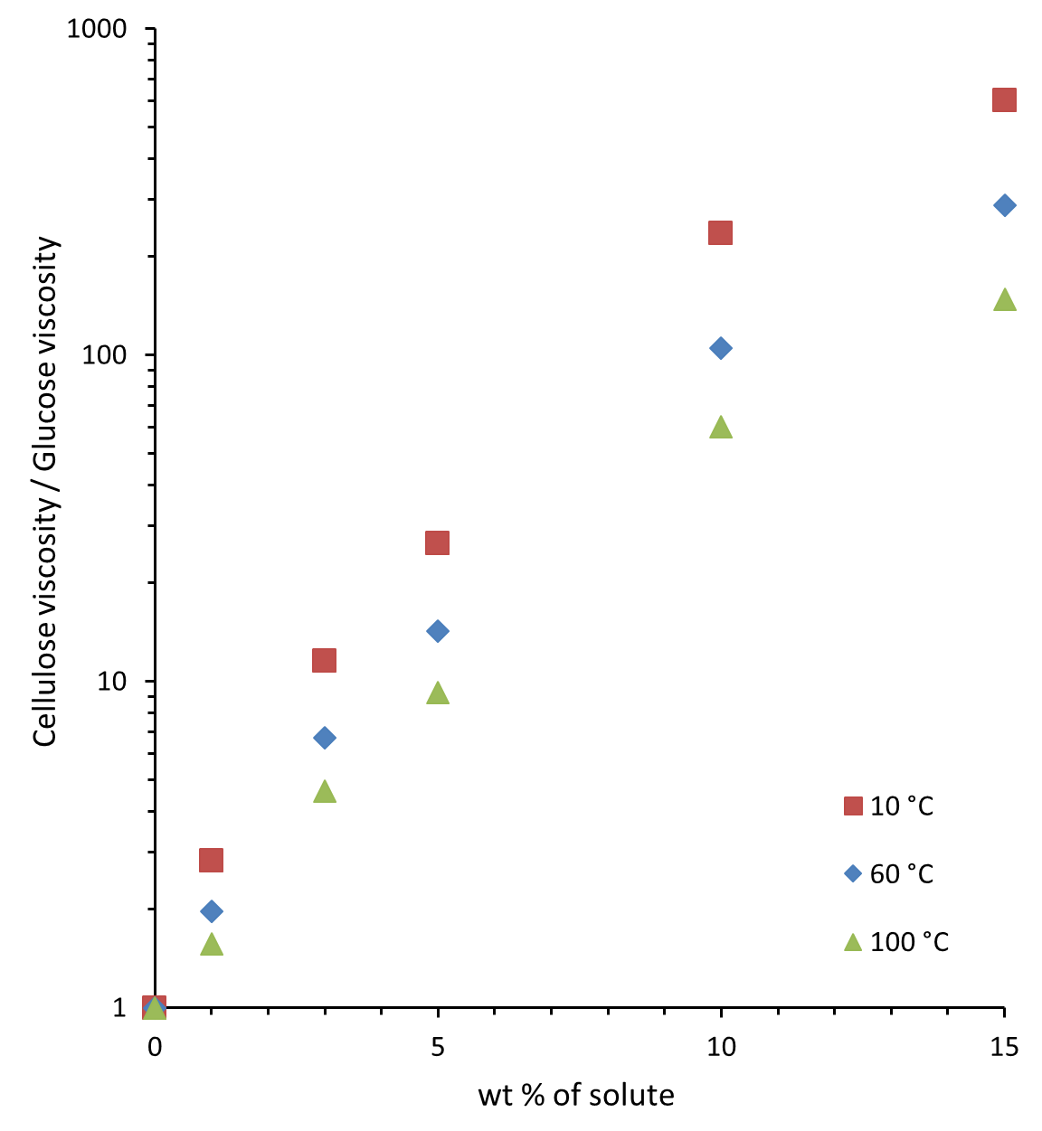
 |  | Viscocity ratio
Concentration of Cellulose (wt%) | 10 C | ratio of cellulose to glucose
0 |  | 1
1 |  | 2.8202749225
3 |  | 11.570362473
5 |  | 26.524770362
10 |  | 236.04680318
15 |  | 602.283627

 |  | Viscocity ratio
Concentration of Cellulose (wt%) | 60C | ratio of cellulose to glucose
0 |  | 1
1 |  | 1.9681410233
3 |  | 6.7321297878
5 |  | 14.24843345
10 |  | 105.03615592
15 |  | 286.71323057

 |  | Viscocity ratio
Concentration of Cellulose (wt%) | 100C | ratio of cellulose to glucose
0 |  | 1
1 |  | 1.5688537097
3 |  | 4.5948103792
5 |  | 9.2296218957
10 |  | 60.351769443
15 |  | 147.72169459

Figure SI5
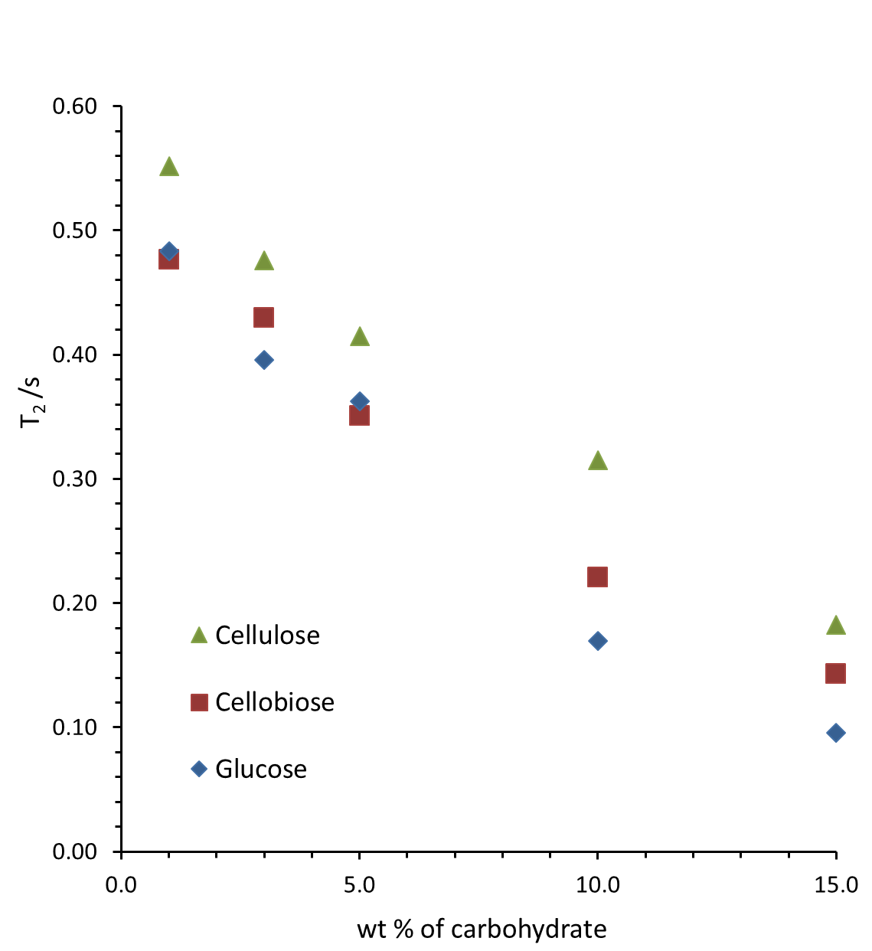
 | Concentration / wt % | Associated Fraction | T1 data at 343 K | T2 data at 343 K
Pure EMIMAc | 0 | 0.000 | 0.651 | 0.635
Glucose | 1 | 0.048 | 0.486 | 0.483
 | 3 | 0.146 | 0.413 | 0.396
 | 5 | 0.249 | 0.384 | 0.362
 | 10 | 0.525 | 0.177 | 0.170
 | 15 | 0.833 | 0.110 | 0.095
Cellobiose | 1 | 0.040 | 0.517 | 0.477
 | 3 | 0.123 | 0.454 | 0.430
 | 5 | 0.209 | 0.368 | 0.350
 | 10 | 0.442 | 0.229 | 0.221
 | 15 | 0.702 | 0.161 | 0.143
Cellulose | 1 | 0.032 | 0.552 | 0.557
 | 3 | 0.097 | 0.476 | 0.497
 | 5 | 0.166 | 0.415 | 0.445
 | 10 | 0.350 | 0.315 | 0.312
 | 15 | 0.556 | 0.182 | 0.175

