Fig.1
Fig.1: The three ionic liquids investigated in this study: (a) 1-ethyl-3-methyl-imidazolium acetate [C2mim]+[OAc]-, (b) 1-ButyI-3-methylimidazolum Acetate, [C4mim]+ [OAc]-, and (c) 1-Ethyl-3-methylimidazolium Octanoate, [C2mim]+[Oct]-. 1H NMR resonances are labelled according to the spectral assignment and previous publication by (Green et al.2017; Lefroy et al.2021; Ries et al.2014).

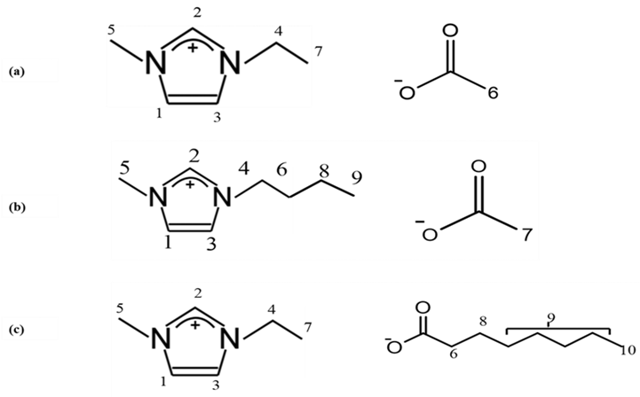

Fig.2
Fig 2: Optical microscopy images of the cross section of the flax yarn, in which the total sample, the undissolved section, and the outer ring are indicated in orange (AT), yellow (AC) and red (TH) double-arrow lines, respectively.

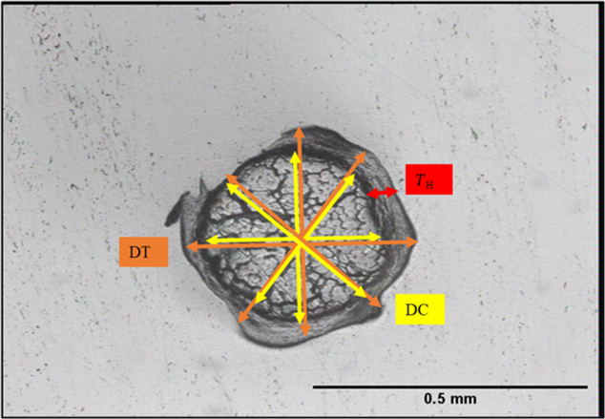

Fig.3
Fig. 3: Cross section images for partially dissolved flax yarns for both ILs showing the growth of the CF at various temperatures and times (a) [C2mim][Oct] and (b) [C4mim][OAc]. Scale length 0.5 mm.
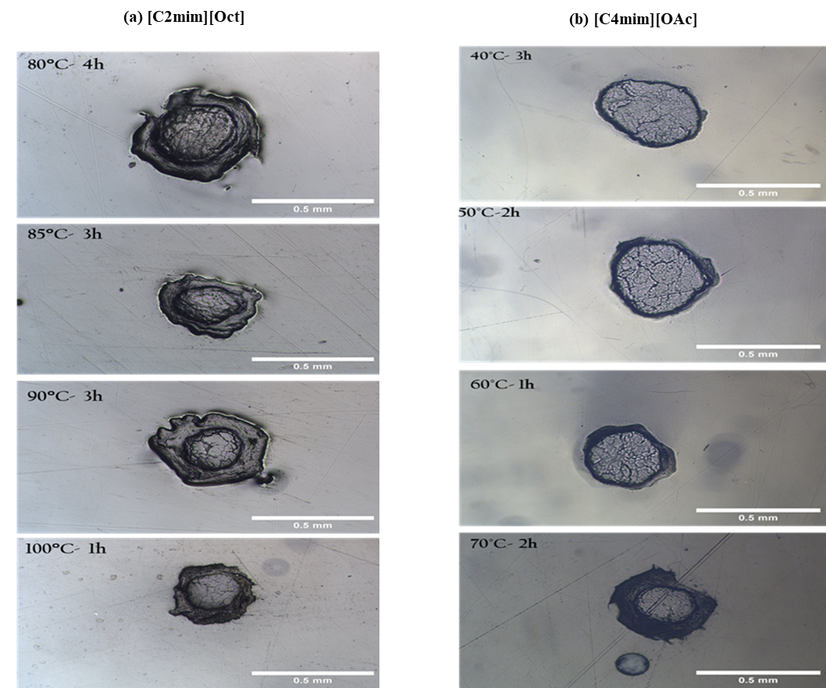

Fig.4
Fig.4: Images showing cross sctions of processed fiber at 60 °C in arange of dissulotion time 15 m,30 m,45 m and 1h of the for both ILs. (a) no coagulation fraction seen for the [C2mim][Oct].(b) shows the growth of CF as dissolution time increase for the [C4mim][OAc].

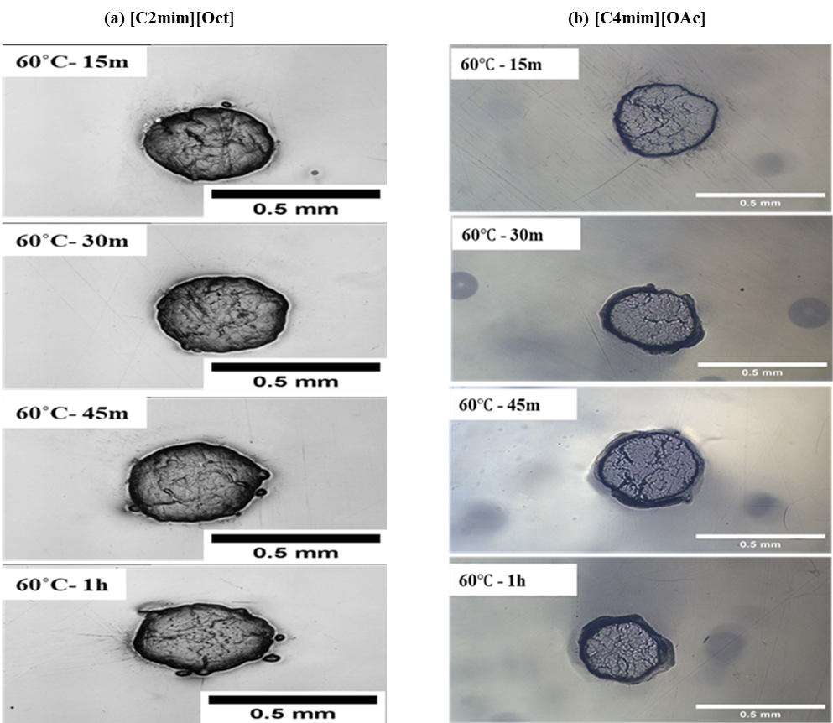

Fig.5
Fig. 5: (a) C.F. as function of all dissolution temperatures and times in [C2mim][Oct] at 85 °C, as reference temperature, Polynomial fits used to guide the eye, and some error bars are smaller than data points. (b) master curve of the coagulation fraction for all dissolution temperatures, Exponential fit used to guide eye, and some error bars smaller than data points. (c) Arrhenius plot presenting the relation between temperatures and shift factors, linear line fit to the data, and error bars included. (d) CF against the liner time shows the progress of the dissolution process for all temperatures and the line is polynomial with order two fit to the data.

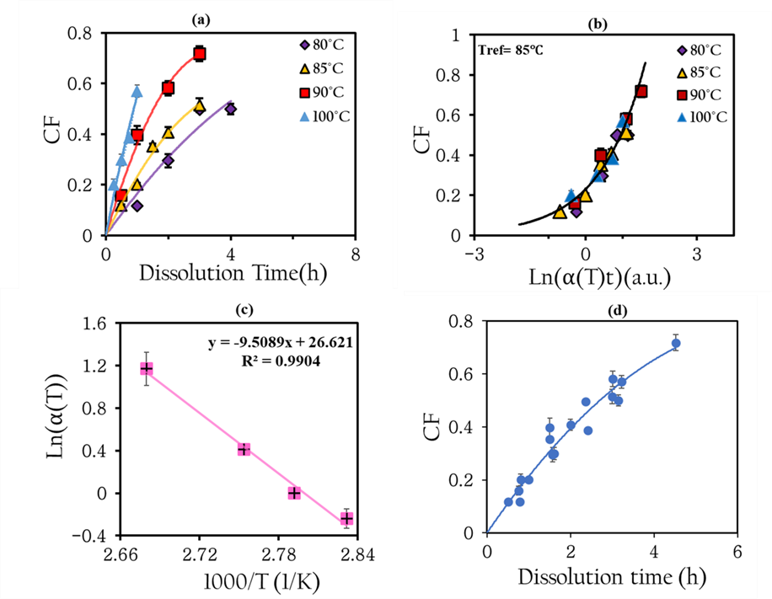
 | (a) | T | C.F. | Error bar | (b) | T | Time (hours) | ln time | C.F. | ln(𝛼(T)t) | (c) | 1000/T | LN(SHF) | Error bar | (d) | Dissolution Time | C.F.
 |  | 80°C | 0.11680315635 | 0.0028367945786 |  | 80°C | 1 | 0 | 0.11680315635 | -0.24 |  | 2.8316579357 | -0.24 | 0.09 |  | 0.78662786107 | 0.11680315635
 |  |  | 0.29507680083 | 0.026715879925 |  |  | 2 | 0.69314718056 | 0.29507680083 | 0.45314718056 |  | 2.7921262041 | 0 | 0 |  | 1.5732557221 | 0.29507680083
 |  |  | 0.49634216213 | 0.0055341959615 |  |  | 3 | 1.0986122887 | 0.49634216213 | 0.85861228867 |  | 2.7536830511 | 0.41 | 0.05 |  | 2.3598835832 | 0.49634216213
 |  |  | 0.4996156348 | 0.020621385581 |  |  | 4 | 1.3862943611 | 0.4996156348 | 1.1462943611 |  | 2.6798874447 | 1.17 | 0.155 |  | 3.1465114443 | 0.4996156348
 |  |  |  |  |  |  |  |  |  |  |  |  |  |  |  | 0.5 | 0.11818786636
 |  | 85°C | 0.11818786636 | 0.0046785385448 |  | 85°C | 0.5 | -0.69314718056 | 0.11818786636 | -0.69314718056 |  |  |  |  |  | 1 | 0.20174152987
 |  |  | 0.20174152987 | 0.0067065869988 |  |  | 1 | 0 | 0.20174152987 | 0 |  |  |  |  |  | 1.5 | 0.35370990274
 |  |  | 0.35370990274 | 0.0086275418497 |  |  | 1.5 | 0.40546510811 | 0.35370990274 | 0.40546510811 |  |  |  |  |  | 2 | 0.40791660901
 |  |  | 0.40791660901 | 0.020532916484 |  |  | 2 | 0.69314718056 | 0.40791660901 | 0.69314718056 |  |  |  |  |  | 3 | 0.51493918849
 |  |  | 0.51493918849 | 0.026884958281 |  |  | 3 | 1.0986122887 | 0.51493918849 | 1.0986122887 |  |  |  |  |  | 0.75340889256 | 0.15942948193
 |  |  |  |  |  |  |  |  |  |  |  |  |  |  |  | 1.5068177851 | 0.3971787393
 |  | 90°C | 0.15942948193 | 0.016583452759 |  | 90°C | 0.5 | -0.69314718056 | 0.15942948193 | -0.28314718056 |  |  |  |  |  | 3.0136355702 | 0.58103370269
 |  |  | 0.3971787393 | 0.036123719572 |  |  | 1 | 0 | 0.3971787393 | 0.41 |  |  |  |  |  | 4.5204533553 | 0.7178193959
 |  |  | 0.58103370269 | 0.028878271593 |  |  | 2 | 0.69314718056 | 0.58103370269 | 1.1031471806 |  |  |  |  |  | 0.80549815963 | 0.2007747962
 |  |  | 0.7178193959 | 0.029842712268 |  |  | 3 | 1.0986122887 | 0.7178193959 | 1.5086122887 |  |  |  |  |  | 1.6109963193 | 0.298653881
 |  |  |  |  |  |  |  |  |  |  |  |  |  |  |  | 2.4164944789 | 0.3866651334
 |  | 100°C | 0.2007747962 | 0.021898322173 |  | 100°C | 0.25 | -1.3862943611 | 0.2007747962 | -0.21629436112 |  |  |  |  |  | 3.2219926385 | 0.56996260873
 |  |  | 0.298653881 | 0.022703181967 |  |  | 0.5 | -0.69314718056 | 0.298653881 | 0.47685281944
 |  |  | 0.3866651334 | 0.004930973051 |  |  | 0.75 | -0.28768207245 | 0.3866651334 | 0.88231792755
 |  |  | 0.56996260873 | 0.02327693323 |  |  | 1 | 0 | 0.56996260873 | 1.17

Fig.6
Fig.6: Plot of the thickness vs. the square root of time in hours (h) for the IL [C2mim][Oct] at 85 °C, Error bars included.

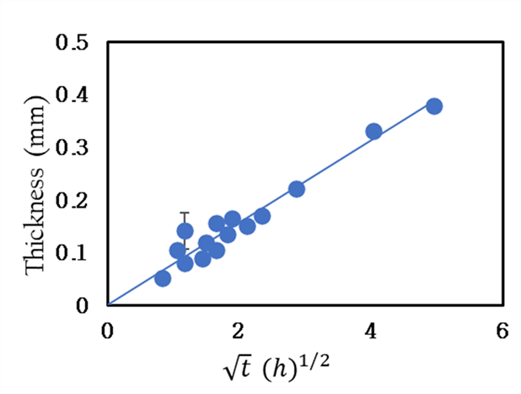
$$\sqrt{t}{\left(h\right)}^{1/2}$$
 |  | Thickness (mm) | Error bar

 | 0.70710678119 | 0.0645 | 0.0027282666828
 | 0.86799129751 | 0.11875 | 0.0067354721315
 | 0.88692043672 | 0.071625 | 0.0031547656673
 | 0.89749549282 | 0.08875 | 0.0048054678972
 | 1 | 0.1135 | 0.0074632566588
 | 1.2247448714 | 0.185125 | 0.011579975781
 | 1.227525065 | 0.19475 | 0.0070328882912
 | 1.2542949104 | 0.10825 | 0.011421908452
 | 1.2692502981 | 0.122375 | 0.0082891166584
 | 1.4142135624 | 0.23875 | 0.010692775028
 | 1.5361912587 | 0.22875 | 0.0093264735755
 | 1.5545077931 | 0.17825 | 0.0096281799185
 | 1.7320508076 | 0.252875 | 0.0078474681125
 | 1.735982595 | 0.309125 | 0.016420614698
 | 1.7738408734 | 0.252875 | 0.0078474681125
 | 1.7949909856 | 0.269875 | 0.012305057359
 | 2.1261357801 | 0.31725 | 0.02942332425

Fig.7
Fig. 7: Plots of the thickness vs. the square root of time in hours (h) for ILs. (a) [C4mim][OAc] at 50 °C, and (b) [C2mim][OAc] at 50 °C, and error bars included
$$\sqrt{t}{\left(h\right)}^{1/2}$$
$$\sqrt{t}{\left(h\right)}^{1/2}$$
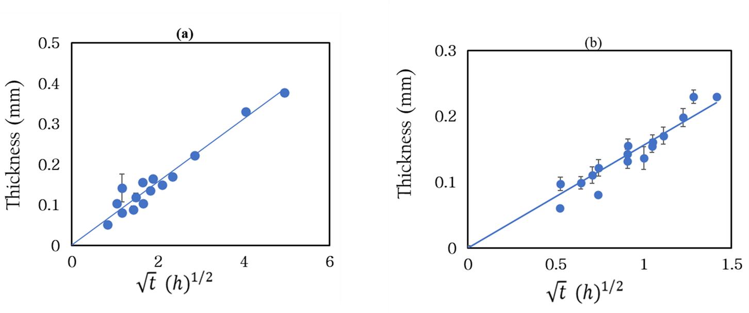
 | (a) |  | Thickness(mm) | Error bar | (b) |  | Thickness(mm) | Error bar
 |  | 0.71975742301 | 0.051125 | 0.0021285359687 |  | 0.52347424586 | 0.060375 | 0.0018664224273
 |  | 1.05487936 | 0.103875 | 0.0054607605846 |  | 0.52527095949 | 0.0975 | 0.0079681643968
 |  | 1.5171791972 | 0.1415 | 0.009374911842 |  | 0.64201270834 | 0.099 | 0.0066530805805
 |  | 1.0178907092 | 0.08 | 0.0060831712302 |  | 0.70710678119 | 0.11075 | 0.0066274164473
 |  | 1.2466564258 | 0.08825 | 0.0077667899646 |  | 0.74030437805 | 0.081 | 0.0035118668016
 |  | 1.4918246976 | 0.119375 | 0.011525931477 |  | 0.74284531482 | 0.121625 | 0.0048528160046
 |  | 2.1456153973 | 0.15516666667 | 0.013170362104 |  | 0.90668399028 | 0.14325 | 0.0092356383252
 |  | 1.439514846 | 0.103875 | 0.0054607605846 |  | 0.90794307936 | 0.131625 | 0.0096190096008
 |  | 1.8271046475 | 0.134875 | 0.0041881254485 |  | 0.90979598957 | 0.155375 | 0.0091576090041
 |  | 2.4463779477 | 0.165 | 0.0094005849015 |  | 1 | 0.13675 | 0.0086696466421
 |  | 2.1097587201 | 0.14975 | 0.0055951192847 |  | 1.0469484917 | 0.155 | 0.0073378632268
 |  | 3.0343583944 | 0.169875 | 0.013685595307 |  | 1.050541919 | 0.160875 | 0.012375552433
 |  | 4.2631145152 | 0.221875 | 0.0078533375823 |  | 1.11199863 | 0.1705 | 0.0097971909444
 |  | 6.0289543653 | 0.33075 | 0.016710743064 |  | 1.2247448714 | 0.198125 | 0.01192112558
 |  | 7.3839309388 | 0.37816666667 | 0.018749777949 |  | 1.2840254167 | 0.229625 | 0.011981754452
 |  |  |  |  |  | 1.4142135624 | 0.22975 | 0.015945398049

Fig.8
Fig. 8: Natural logarthim of self-diffusion coefficients for the three ILs as a function of the inverse temperature. (a) The cation and (b) The anion. Linear fits show for the lines and the uncertainty in D is approximately the size of point of 10%. The blue, red, and gray lines are for [C2mim][OAc], [C4mim][OAc], and [C2mim][Oct], respectively.

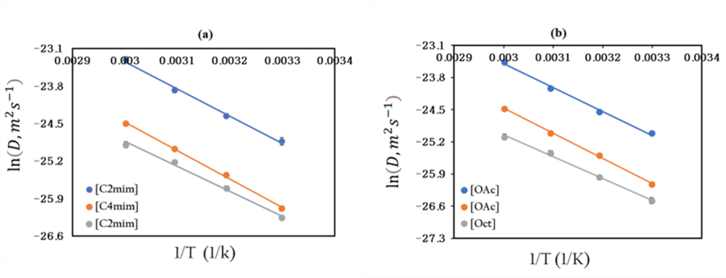
 | (a) Cation |  |  | (b) Anion

 | [C2mim] | ln (D, cation) | 1/T | [OAc] | ln (D, anion) | 1/T
 |  | -24.82998667 | 0.0032986970147 |  | -25.014355477 | 0.0032986970147
 |  | -24.356332226 | 0.0031933578157 |  | -24.548194136 | 0.0031933578157
 |  | -23.876080862 | 0.0030945381402 |  | -24.030426577 | 0.0030945381402
 |  | -23.314266605 | 0.003001650908 |  | -23.468395046 | 0.003001650908

 | [C4mim] | ln (D, cation) | 1/T | [OAc] | ln (D, anion) | 1/T
 |  | -26.085748461 | 0.0032986970147 |  | -26.119637144 | 0.0032986970147
 |  | -25.464212792 | 0.0031933578157 |  | -25.491543361 | 0.0031933578157
 |  | -24.970149878 | 0.0030945381402 |  | -25.006352524 | 0.0030945381402
 |  | -24.504315406 | 0.003001650908 |  | -24.530928827 | 0.003001650908

 | [C2mim] | ln (D, cation) | 1/T | [Oct] | ln (D, anion) | 1/T
 |  | -26.260043459 | 0.0032986970147 |  | -26.477920642 | 0.0032986970147
 |  | -25.711572286 | 0.0031933578157 |  | -25.967615987 | 0.0031933578157
 |  | -25.217431465 | 0.0030945381402 |  | -25.442164788 | 0.0030945381402
 |  | -24.892635715 | 0.003001650908 |  | -25.094748258 | 0.003001650908

Fig.9
Fig.9: Correlation between D and T/η for the cation and anion in the ILs. (a) [C2mim][OAc]. (b) [C4mim][OAc], and (c) [C2mim][Oct]. The solid lines are fits to the Stokes-Einstein equation calculated from Eq. 4.

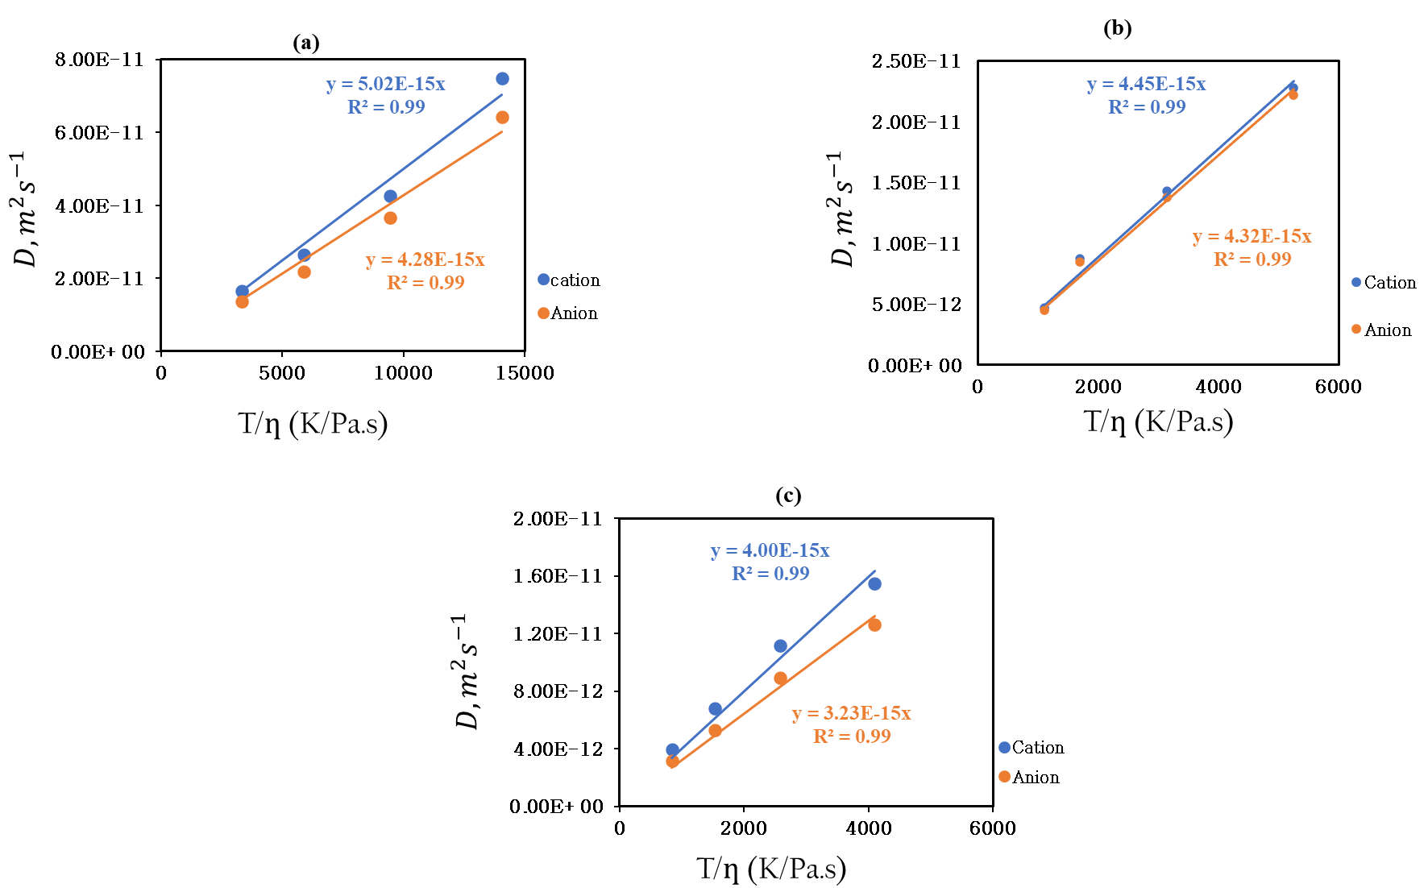

 | IL | T˚C | T (K) | D, Cation | D, Anion | Viscosity(Pa.s)

 | (a) [C2mim][OAc] | 30 | 303.15 | 1.6461666667E-11 | 1.369E-11 | 0.090825595238 | 3337.7155328
 |  | 40 | 313.15 | 2.6435E-11 | 2.182E-11 | 0.053132404762 | 5893.76674
 |  | 50 | 323.15 | 4.2731666667E-11 | 3.662E-11 | 0.034281952381 | 9426.2426016
 |  | 60 | 333.15 | 7.4945E-11 | 6.424E-11 | 0.023722142857 | 14043.840896

 | (b) [C4mim][OAc] | 30 | 303.15 | 4.68925E-12 | 4.533E-12 | 0.27498372549 | 1102.4288781
 |  | 40 | 313.15 | 8.730375E-12 | 8.495E-12 | 0.184525 | 1697.060019
 |  | 50 | 323.15 | 1.430875E-11 | 1.38E-11 | 0.10302761905 | 3136.5375905
 |  | 60 | 333.15 | 2.279875E-11 | 2.22E-11 | 0.063504452381 | 5246.0888569

 | (c) [C2mim][Oct] | 30 | 303.15 | 3.9392E-12 | 3.168E-12 | 0.3608427451 | 840.11665502
 |  | 40 | 313.15 | 6.8172E-12 | 5.27725E-12 | 0.20439058824 | 1532.1155573
 |  | 50 | 323.15 | 1.1174E-11 | 8.925E-12 | 0.12517372549 | 2581.6120654
 |  | 60 | 333.15 | 1.5462E-11 | 1.26325E-11 | 0.08138854902 | 4093.3276734

Fig.10
Fig.10: Master curves for the three ILs for the coagulation fraction (C.F.) as a function of dissolution time (h) at temperature of 60 °C.

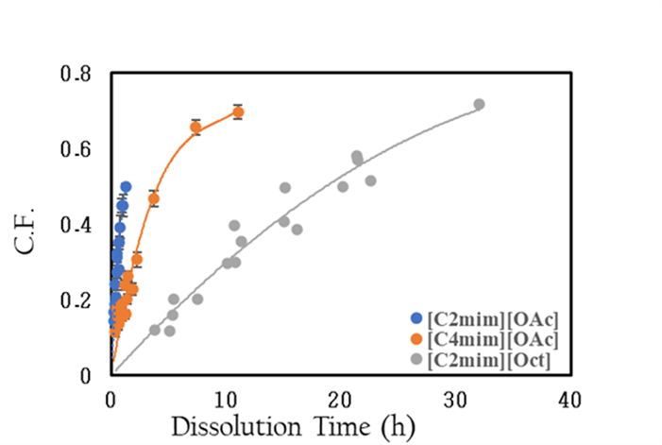
 | [C2mim][OAc] | C.F | Dissolution time | Error bars | [C4mim][OAc] | C.F. | Dissolution time | Error bars | [C2mim][Oct] | C.F. | Dissolution time | Error bars
 |  | 0.1417972744 | 0.16620473754 | 0.0039368267581 |  | 0.11392958541 | 0.30492724481 | 0.012901925264 |  | 0.11680315635 | 5.0350787915 | 0.0028367945786
 |  | 0.19930032559 | 0.33240947509 | 0.0043601922905 |  | 0.13407453529 | 0.60985448961 | 0.013989743439 |  | 0.29507680083 | 10.070157583 | 0.026715879925
 |  | 0.32103603604 | 0.49861421263 | 0.023668342293 |  | 0.15446581404 | 0.91478173442 | 0.011366599364 |  | 0.49634216213 | 15.105236374 | 0.0055341959615
 |  | 0.35052561533 | 0.66481895017 | 0.017197911655 |  | 0.1602276306 | 1.2197089792 | 0.013011221988 |  | 0.4996156348 | 20.140315166 | 0.020621385581
 |  | 0.16760858945 | 0.16734762011 | 0.0112962812 |  | 0.17730006242 | 0.45696559264 | 0.0081872559964 |  | 0.11818786636 | 3.7557274478 | 0.0046785385448
 |  | 0.20686469574 | 0.33469524022 | 0.010981801226 |  | 0.18841809202 | 0.91393118527 | 0.011191832739 |  | 0.20174152987 | 7.5114548957 | 0.0067065869988
 |  | 0.31113241867 | 0.50204286033 | 0.021169685112 |  | 0.20114787624 | 1.3708967779 | 0.013827588978 |  | 0.35370990274 | 11.267182343 | 0.0086275418497
 |  | 0.35106830892 | 0.66939048045 | 0.0094714043449 |  | 0.22719279183 | 1.8278623705 | 0.016342440419 |  | 0.40791660901 | 15.022909791 | 0.020532916484
 |  | 0.24036933012 | 0.30326532986 | 0.016250281312 |  | 0.15473919555 | 0.55638523212 | 0.017339692363 |  | 0.51493918849 | 22.534364687 | 0.026884958281
 |  | 0.28056105338 | 0.60653065971 | 0.0080010780693 |  | 0.23860126253 | 1.1127704642 | 0.013146700597 |  | 0.15942948193 | 5.3296309426 | 0.016583452759
 |  | 0.44973144016 | 0.90979598957 | 0.018129020208 |  | 0.26246565967 | 1.4466016035 | 0.012900048861 |  | 0.3971787393 | 10.659261885 | 0.036123719572
 |  | 0.50031383749 | 1.2130613194 | 0.0055647165639 |  | 0.30521243091 | 2.2255409285 | 0.020770534723 |  | 0.58103370269 | 21.31852377 | 0.028878271593
 |  | 0.18834213975 | 0.25 | 0.0033907228794 |  | 0.46701393732 | 3.6692966676 | 0.021675866186 |  | 0.7178193959 | 31.977785655 | 0.029842712268
 |  | 0.27327645527 | 0.5 | 0.017001703062 |  | 0.65613621522 | 7.3385933352 | 0.019193896181 |  | 0.2007747962 | 5.3662793702 | 0.021898322173
 |  | 0.39208150876 | 0.75 | 0.030493528235 |  | 0.69738835556 | 11.007890003 | 0.018009497042 |  | 0.298653881 | 10.73255874 | 0.022703181967
 |  | 0.44858508092 | 1 | 0.029297471903 |  |  |  |  |  | 0.3866651334 | 16.098838111 | 0.004930973051
 |  |  |  |  |  |  |  |  |  | 0.56996260873 | 21.465117481 | 0.02327693323

Fig.11
Fig.11: Master curves for the three ILs for the coagulation fraction (C.F.) as a function of dissolution time /Viscosity (h/Pa.s) at temperature of 60 °C.
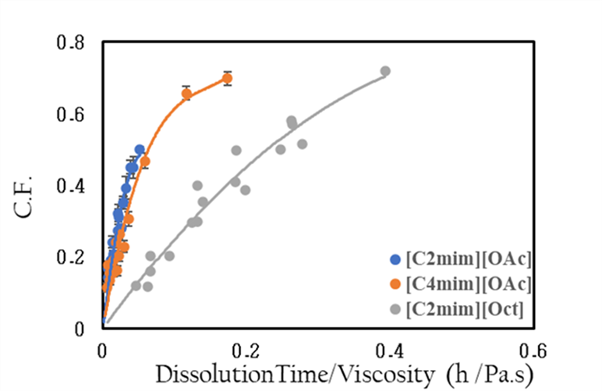

 | [C2mim][OAc] | Dissolution Time | C.F. | Dissolution Time/viscosity | Errors | [C4mim][OAc] | Dissolution Time | C.F. | Dissolution Time/viscosity | Errors | [C2mim][OAc] | Dissolution Time | C.F. | Dissolution Time/viscosity | Errors
 |  | 0.16620473754 | 0.1417972744 | 0.0070063121424 | 0.0039368267581 |  | 0.30492724481 | 0.11392958541 | 0.0048016671804 | 0.012901925264 |  | 5.0350787915 | 0.11680315635 | 0.061864707654 | 0.0028367945786
 |  | 0.33240947509 | 0.19930032559 | 0.014012624285 | 0.0043601922905 |  | 0.60985448961 | 0.13407453529 | 0.0096033343608 | 0.013989743439 |  | 10.070157583 | 0.29507680083 | 0.12372941531 | 0.026715879925
 |  | 0.49861421263 | 0.32103603604 | 0.021018936427 | 0.023668342293 |  | 0.91478173442 | 0.15446581404 | 0.014405001541 | 0.011366599364 |  | 15.105236374 | 0.49634216213 | 0.18559412296 | 0.0055341959615
 |  | 0.66481895017 | 0.35052561533 | 0.02802524857 | 0.017197911655 |  | 1.2197089792 | 0.1602276306 | 0.019206668722 | 0.013011221988 |  | 20.140315166 | 0.4996156348 | 0.24745883061 | 0.020621385581
 |  | 0.16734762011 | 0.16760858945 | 0.0070544900231 | 0.0112962812 |  | 0.45696559264 | 0.17730006242 | 0.0071958040028 | 0.0081872559964 |  | 3.7557274478 | 0.11818786636 | 0.046145649395 | 0.0046785385448
 |  | 0.33469524022 | 0.20686469574 | 0.014108980046 | 0.010981801226 |  | 0.91393118527 | 0.18841809202 | 0.014391608006 | 0.011191832739 |  | 7.5114548957 | 0.20174152987 | 0.09229129879 | 0.0067065869988
 |  | 0.50204286033 | 0.31113241867 | 0.021163470069 | 0.021169685112 |  | 1.3708967779 | 0.20114787624 | 0.021587412008 | 0.013827588978 |  | 11.267182343 | 0.35370990274 | 0.13843694819 | 0.0086275418497
 |  | 0.66939048045 | 0.35106830892 | 0.028217960092 | 0.0094714043449 |  | 1.8278623705 | 0.22719279183 | 0.028783216011 | 0.016342440419 |  | 15.022909791 | 0.40791660901 | 0.18458259758 | 0.020532916484
 |  | 0.30326532986 | 0.24036933012 | 0.012784061359 | 0.016250281312 |  | 0.55638523212 | 0.15473919555 | 0.008761357846 | 0.017339692363 |  | 22.534364687 | 0.51493918849 | 0.27687389637 | 0.026884958281
 |  | 0.60653065971 | 0.28056105338 | 0.025568122718 | 0.0080010780693 |  | 1.1127704642 | 0.23860126253 | 0.017522715692 | 0.013146700597 |  | 5.3296309426 | 0.15942948193 | 0.065483793565 | 0.016583452759
 |  | 0.90979598957 | 0.44973144016 | 0.038352184077 | 0.018129020208 |  | 1.4466016035 | 0.26246565967 | 0.0227795304 | 0.012900048861 |  | 10.659261885 | 0.3971787393 | 0.13096758713 | 0.036123719572
 |  | 1.2130613194 | 0.50031383749 | 0.051136245437 | 0.0055647165639 |  | 2.2255409285 | 0.30521243091 | 0.035045431384 | 0.020770534723 |  | 21.31852377 | 0.58103370269 | 0.26193517426 | 0.028878271593
 |  | 0.25 | 0.18834213975 | 0.010538676944 | 0.0033907228794 |  | 3.6692966676 | 0.46701393732 | 0.057780148164 | 0.021675866186 |  | 31.977785655 | 0.7178193959 | 0.39290276139 | 0.029842712268
 |  | 0.5 | 0.27327645527 | 0.021077353889 | 0.017001703062 |  | 7.3385933352 | 0.65613621522 | 0.11556029633 | 0.019193896181 |  | 5.3662793702 | 0.2007747962 | 0.065934083294 | 0.021898322173
 |  | 0.75 | 0.39208150876 | 0.031616030833 | 0.030493528235 |  | 11.007890003 | 0.69738835556 | 0.17334044449 | 0.018009497042 |  | 10.73255874 | 0.298653881 | 0.13186816659 | 0.022703181967
 |  | 1 | 0.44858508092 | 0.042154707778 | 0.029297471903 |  |  |  |  |  |  | 16.098838111 | 0.3866651334 | 0.19780224988 | 0.004930973051
 |  |  |  |  |  |  |  |  |  |  |  | 21.465117481 | 0.56996260873 | 0.26373633317 | 0.02327693323

Fig.12
Fig.12: Master curves for the three ILs for the coagulation fraction (C.F.) as a function of normalisation the self-diffusion coefficient D measured from NMR at temperature of 60 °C of the (a) cations and (b) anions.

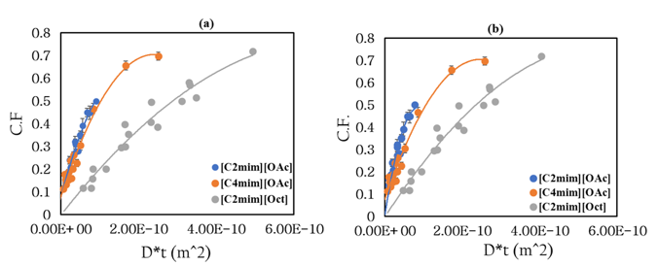
 | (a) Cation | Dissolution Time | C.F | D* t(m^2) | D, Cation(m^2/s) | (b) Anion | Dissolution Time | C.F. | D* t (m^2) | D, Anion (m^2/s)
 |  | 0.16620473754 | 0.1417972744 | 1.2456214055E-11 | 7.4945E-11 |  | 0.16620473754 | 0.1417972744 | 1.067699234E-11 | 6.424E-11
 | [C2mim][OAc] | 0.33240947509 | 0.19930032559 | 2.491242811E-11 |  | [C2mim][OAc] | 0.33240947509 | 0.19930032559 | 2.135398468E-11
 |  | 0.49861421263 | 0.32103603604 | 3.7368642166E-11 |  |  | 0.49861421263 | 0.32103603604 | 3.2030977019E-11
 |  | 0.66481895017 | 0.35052561533 | 4.9824856221E-11 |  |  | 0.66481895017 | 0.35052561533 | 4.2707969359E-11
 |  | 0.16734762011 | 0.16760858945 | 1.2541867389E-11 |  |  | 0.16734762011 | 0.16760858945 | 1.0750411116E-11
 |  | 0.33469524022 | 0.20686469574 | 2.5083734778E-11 |  |  | 0.33469524022 | 0.20686469574 | 2.1500822232E-11
 |  | 0.50204286033 | 0.31113241867 | 3.7625602168E-11 |  |  | 0.50204286033 | 0.31113241867 | 3.2251233348E-11
 |  | 0.66939048045 | 0.35106830892 | 5.0167469557E-11 |  |  | 0.66939048045 | 0.35106830892 | 4.3001644464E-11
 |  | 0.30326532986 | 0.24036933012 | 2.2728220146E-11 |  |  | 0.30326532986 | 0.24036933012 | 1.948176479E-11
 |  | 0.60653065971 | 0.28056105338 | 4.5456440292E-11 |  |  | 0.60653065971 | 0.28056105338 | 3.896352958E-11
 |  | 0.90979598957 | 0.44973144016 | 6.8184660438E-11 |  |  | 0.90979598957 | 0.44973144016 | 5.844529437E-11
 |  | 1.2130613194 | 0.50031383749 | 9.0912880584E-11 |  |  | 1.2130613194 | 0.50031383749 | 7.792705916E-11
 |  | 0.25 | 0.18834213975 | 1.873625E-11 |  |  | 0.25 | 0.18834213975 | 1.606E-11
 |  | 0.5 | 0.27327645527 | 3.74725E-11 |  |  | 0.5 | 0.27327645527 | 3.212E-11
 |  | 0.75 | 0.39208150876 | 5.620875E-11 |  |  | 0.75 | 0.39208150876 | 4.818E-11
 |  | 1 | 0.44858508092 | 7.4945E-11 |  |  | 1 | 0.44858508092 | 6.424E-11
 | [C4mim][OAc] | 0.30492724481 | 0.11392958541 | 6.9519600225E-12 | 2.279875E-11 | [C24mim][OAc] | 0.30492724481 | 0.11392958541 | 6.7693848347E-12 | 2.22E-11
 |  | 0.60985448961 | 0.13407453529 | 1.3903920045E-11 |  |  | 0.60985448961 | 0.13407453529 | 1.3538769669E-11
 |  | 0.91478173442 | 0.15446581404 | 2.0855880068E-11 |  |  | 0.91478173442 | 0.15446581404 | 2.0308154504E-11
 |  | 1.2197089792 | 0.1602276306 | 2.780784009E-11 |  |  | 1.2197089792 | 0.1602276306 | 2.7077539339E-11
 |  | 0.45696559264 | 0.17730006242 | 1.0418244305E-11 |  |  | 0.45696559264 | 0.17730006242 | 1.0144636157E-11
 |  | 0.91393118527 | 0.18841809202 | 2.083648861E-11 |  |  | 0.91393118527 | 0.18841809202 | 2.0289272313E-11
 |  | 1.3708967779 | 0.20114787624 | 3.1254732915E-11 |  |  | 1.3708967779 | 0.20114787624 | 3.043390847E-11
 |  | 1.8278623705 | 0.22719279183 | 4.167297722E-11 |  |  | 1.8278623705 | 0.22719279183 | 4.0578544626E-11
 |  | 0.55638523212 | 0.15473919555 | 1.2684887811E-11 |  |  | 0.55638523212 | 0.15473919555 | 1.2351752153E-11
 |  | 1.1127704642 | 0.23860126253 | 2.5369775622E-11 |  |  | 1.1127704642 | 0.23860126253 | 2.4703504306E-11
 |  | 1.4466016035 | 0.26246565967 | 3.2980708308E-11 |  |  | 1.4466016035 | 0.26246565967 | 3.2114555598E-11
 |  | 2.2255409285 | 0.30521243091 | 5.0739551243E-11 |  |  | 2.2255409285 | 0.30521243091 | 4.9407008613E-11
 |  | 3.6692966676 | 0.46701393732 | 8.3655377401E-11 |  |  | 3.6692966676 | 0.46701393732 | 8.1458386021E-11
 |  | 7.3385933352 | 0.65613621522 | 1.673107548E-10 |  |  | 7.3385933352 | 0.65613621522 | 1.6291677204E-10
 |  | 11.007890003 | 0.69738835556 | 2.509661322E-10 |  |  | 11.007890003 | 0.69738835556 | 2.4437515806E-10
 | [C2mim][Oct] | 5.0350787915 | 0.11680315635 | 7.7852388273E-11 | 1.5462E-11 | [C2mim][Oct] | 5.0350787915 | 0.11680315635 | 6.3605632833E-11 | 1.26325E-11
 |  | 10.070157583 | 0.29507680083 | 1.5570477655E-10 |  |  | 10.070157583 | 0.29507680083 | 1.2721126567E-10
 |  | 15.105236374 | 0.49634216213 | 2.3355716482E-10 |  |  | 15.105236374 | 0.49634216213 | 1.908168985E-10
 |  | 20.140315166 | 0.4996156348 | 3.1140955309E-10 |  |  | 20.140315166 | 0.4996156348 | 2.5442253133E-10
 |  | 3.7557274478 | 0.11818786636 | 5.8071057798E-11 |  |  | 3.7557274478 | 0.11818786636 | 4.7444226985E-11
 |  | 7.5114548957 | 0.20174152987 | 1.161421156E-10 |  |  | 7.5114548957 | 0.20174152987 | 9.4888453969E-11
 |  | 11.267182343 | 0.35370990274 | 1.742131734E-10 |  |  | 11.267182343 | 0.35370990274 | 1.4233268095E-10
 |  | 15.022909791 | 0.40791660901 | 2.3228423119E-10 |  |  | 15.022909791 | 0.40791660901 | 1.8977690794E-10
 |  | 22.534364687 | 0.51493918849 | 3.4842634679E-10 |  |  | 22.534364687 | 0.51493918849 | 2.8466536191E-10
 |  | 5.3296309426 | 0.15942948193 | 8.2406753634E-11 |  |  | 5.3296309426 | 0.15942948193 | 6.7326562882E-11
 |  | 10.659261885 | 0.3971787393 | 1.6481350727E-10 |  |  | 10.659261885 | 0.3971787393 | 1.3465312576E-10
 |  | 21.31852377 | 0.58103370269 | 3.2962701454E-10 |  |  | 21.31852377 | 0.58103370269 | 2.6930625153E-10
 |  | 31.977785655 | 0.7178193959 | 4.944405218E-10 |  |  | 31.977785655 | 0.7178193959 | 4.0395937729E-10
 |  | 5.3662793702 | 0.2007747962 | 8.2973411622E-11 |  |  | 5.3662793702 | 0.2007747962 | 6.7789524144E-11
 |  | 10.73255874 | 0.298653881 | 1.6594682324E-10 |  |  | 10.73255874 | 0.298653881 | 1.3557904829E-10
 |  | 16.098838111 | 0.3866651334 | 2.4892023487E-10 |  |  | 16.098838111 | 0.3866651334 | 2.0336857243E-10
 |  | 21.465117481 | 0.56996260873 | 3.3189364649E-10 |  |  | 21.465117481 | 0.56996260873 | 2.7115809658E-10

Fig.13
Fig.13: Master curve representing the results of the three ILs at temperature of 60 °C for the coagulation fraction (C.F.) as function of the D*t. from thickness measurements.

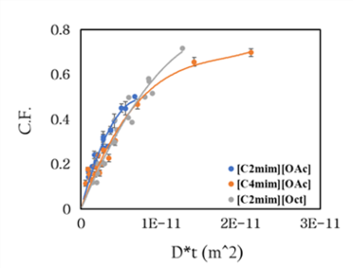
 | ILs | C.F. | D* t (m^2) | D (From Thickness)(m^2/s)
 | [C2mim][OAc] | 0.1417972744 | 9.3018497586E-13 | 5.5966213094E-12
 |  | 0.19930032559 | 1.8603699517E-12
 |  | 0.32103603604 | 2.7905549276E-12
 |  | 0.35052561533 | 3.7207399034E-12
 |  | 0.16760858945 | 9.3658125679E-13
 |  | 0.20686469574 | 1.8731625136E-12
 |  | 0.31113241867 | 2.8097437704E-12
 |  | 0.35106830892 | 3.7463250272E-12
 |  | 0.24036933012 | 1.6972612075E-12
 |  | 0.28056105338 | 3.3945224149E-12
 |  | 0.44973144016 | 5.0917836224E-12
 |  | 0.50031383749 | 6.7890448299E-12
 |  | 0.18834213975 | 1.3991553273E-12
 |  | 0.27327645527 | 2.7983106547E-12
 |  | 0.39208150876 | 4.197465982E-12
 |  | 0.44858508092 | 5.5966213094E-12

 | [C4mim][OAc] | 0.11680315635 | 2.0033717092E-12 | 1.9373344629E-12
 |  | 0.29507680083 | 4.0067434183E-12
 |  | 0.49634216213 | 6.0101151275E-12
 |  | 0.4996156348 | 8.0134868366E-12
 |  | 0.11818786636 | 1.4943396971E-12
 |  | 0.20174152987 | 2.9886793943E-12
 |  | 0.35370990274 | 4.4830190914E-12
 |  | 0.40791660901 | 5.9773587886E-12
 |  | 0.51493918849 | 8.9660381828E-12
 |  | 0.15942948193 | 2.1205689708E-12
 |  | 0.3971787393 | 4.2411379416E-12
 |  | 0.58103370269 | 8.4822758831E-12
 |  | 0.7178193959 | 1.2723413825E-11
 |  | 0.2007747962 | 2.1351507531E-12
 |  | 0.298653881 | 4.2703015063E-12
 |  | 0.3866651334 | 6.4054522594E-12
 |  | 0.56996260873 | 8.5406030126E-12

 | [C2mim][Oct] | 0.11680315635 | 2.0033717092E-12 | 3.9788289164E-13
 |  | 0.29507680083 | 4.0067434183E-12
 |  | 0.49634216213 | 6.0101151275E-12
 |  | 0.4996156348 | 8.0134868366E-12
 |  | 0.11818786636 | 1.4943396971E-12
 |  | 0.20174152987 | 2.9886793943E-12
 |  | 0.35370990274 | 4.4830190914E-12
 |  | 0.40791660901 | 5.9773587886E-12
 |  | 0.51493918849 | 8.9660381828E-12
 |  | 0.15942948193 | 2.1205689708E-12
 |  | 0.3971787393 | 4.2411379416E-12
 |  | 0.58103370269 | 8.4822758831E-12
 |  | 0.7178193959 | 1.2723413825E-11
 |  | 0.2007747962 | 2.1351507531E-12
 |  | 0.298653881 | 4.2703015063E-12
 |  | 0.3866651334 | 6.4054522594E-12
 |  | 0.56996260873 | 8.5406030126E-12

Fig.14
Fig.14: Master curve for the three ILs for the coagulation fraction (C.F.) as a function of shifted time to calculate the relative dissolution rate between systems.

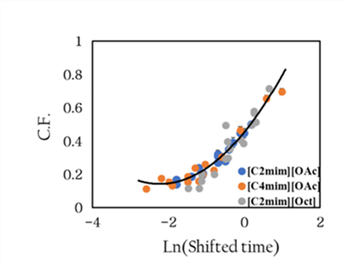
 | ILs | C.F. | ln(𝛼(T)t) | Ln(Shifted time)/h | ILs | ln(𝛼)
 | [C2mim][OAc] | 0.1417972744 | -1.7945348919 | -1.7945348919 | [C2mim][OAc] | 0
 |  | 0.19930032559 | -1.1013877113 | -1.1013877113 | [C4mim][OAc] | -1.4
 |  | 0.32103603604 | -0.69592260322 | -0.69592260322 | [C2mim][Oct] | -2.8
 |  | 0.35052561533 | -0.40824053077 | -0.40824053077
 |  | 0.16760858945 | -1.7876820725 | -1.7876820725
 |  | 0.20686469574 | -1.0945348919 | -1.0945348919
 |  | 0.31113241867 | -0.68906978378 | -0.68906978378
 |  | 0.35106830892 | -0.40138771133 | -0.40138771133
 |  | 0.24036933012 | -1.1931471806 | -1.1931471806
 |  | 0.28056105338 | -0.5 | -0.5
 |  | 0.44973144016 | -0.094534891892 | -0.094534891892
 |  | 0.50031383749 | 0.19314718056 | 0.19314718056
 |  | 0.18834213975 | -1.3862943611 | -1.3862943611
 |  | 0.27327645527 | -0.69314718056 | -0.69314718056
 |  | 0.39208150876 | -0.28768207245 | -0.28768207245
 |  | 0.44858508092 | 0 | 0

 | [C4mim][OAc] | 0.11392958541 | -1.1876820725 | -2.5876820725
 |  | 0.13407453529 | -0.49453489189 | -1.8945348919
 |  | 0.15446581404 | -0.089069783784 | -1.4890697838
 |  | 0.1602276306 | 0.19861228867 | -1.2013877113
 |  | 0.17730006242 | -0.78314718056 | -2.1831471806
 |  | 0.18841809202 | -0.09 | -1.49
 |  | 0.20114787624 | 0.31546510811 | -1.0845348919
 |  | 0.22719279183 | 0.60314718056 | -0.79685281944
 |  | 0.15473919555 | -0.58629436112 | -1.9862943611
 |  | 0.23860126253 | 0.10685281944 | -1.2931471806
 |  | 0.26246565967 | 0.36921708391 | -1.0307829161
 |  | 0.30521243091 | 0.8 | -0.6
 |  | 0.46701393732 | 1.3 | -0.1
 |  | 0.65613621522 | 1.9931471806 | 0.59314718056
 |  | 0.69738835556 | 2.3986122887 | 0.99861228867

 | [C2mim][Oct] | 0.11680315635 | 1.6164291748 | -1.1835708252
 |  | 0.29507680083 | 2.3095763554 | -0.49042364464
 |  | 0.49634216213 | 2.3095763554 | -0.49042364464
 |  | 0.4996156348 | 3.0027235359 | 0.20272353592
 |  | 0.11818786636 | 1.3232819942 | -1.4767180058
 |  | 0.20174152987 | 2.0164291748 | -0.7835708252
 |  | 0.35370990274 | 2.4218942829 | -0.37810571709
 |  | 0.40791660901 | 2.7095763554 | -0.090423644643
 |  | 0.51493918849 | 3.1150414635 | 0.31504146347
 |  | 0.15942948193 | 1.6732819942 | -1.1267180058
 |  | 0.3971787393 | 2.3664291748 | -0.4335708252
 |  | 0.58103370269 | 3.0595763554 | 0.25957635536
 |  | 0.7178193959 | 3.4650414635 | 0.66504146347
 |  | 0.2007747962 | 1.6801348137 | -1.1198651863
 |  | 0.298653881 | 2.3732819942 | -0.42671800576
 |  | 0.3866651334 | 2.7787471023 | -0.021252897654
 |  | 0.56996260873 | 3.0664291748 | 0.2664291748

Fig.15
Fig. 15: Master-master curve shows all the results of ILs to calculate the relative dissolution rate between systems. The exponential fit of the relationship is such that as the size of the ILs increases, the relative dissolution speed decreases rapidly.

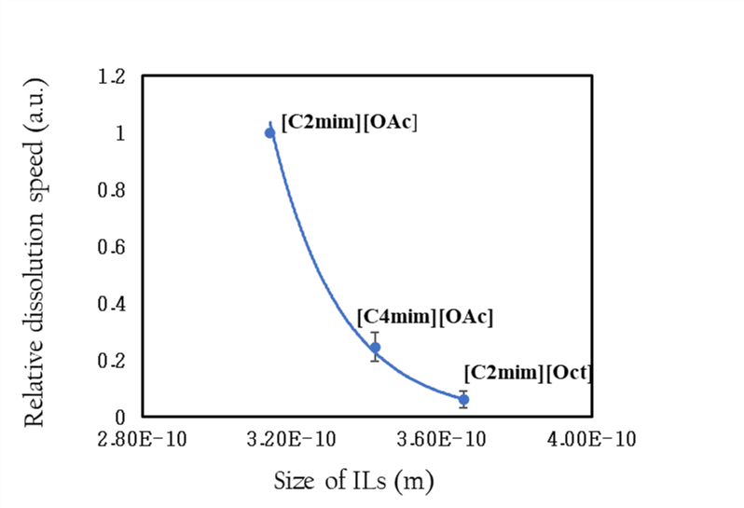
 | ILs | Realative speed | Size of ILs from density experiment (m)
 | [C2mim][OAc] | 1 | 3.1393650015E-10
 | [C4mim][OAc] | 0.24659696394 | 3.419434892E-10
 | [C2mim][Oct] | 0.060810062625 | 3.6561276891E-10

Fig. S1
Fig. S1: (a) C.F. as function of all dissolution temperatures and times in [C4mim][OAc] at 50 ˚C, as reference temperature, polynomial fits used to guide the eye, and some error bars are smaller than data points. (b) master curve of the coagulation fraction for all dissolution temperatures, Exponential fit used to guide eye, and some error bars smaller than data points. (c) Arrhenius plot presenting the relation between temperatures and shift factors, linear line fit to the data, and error bars included. (d) CF against the liner time shows the progress of the dissolution process.

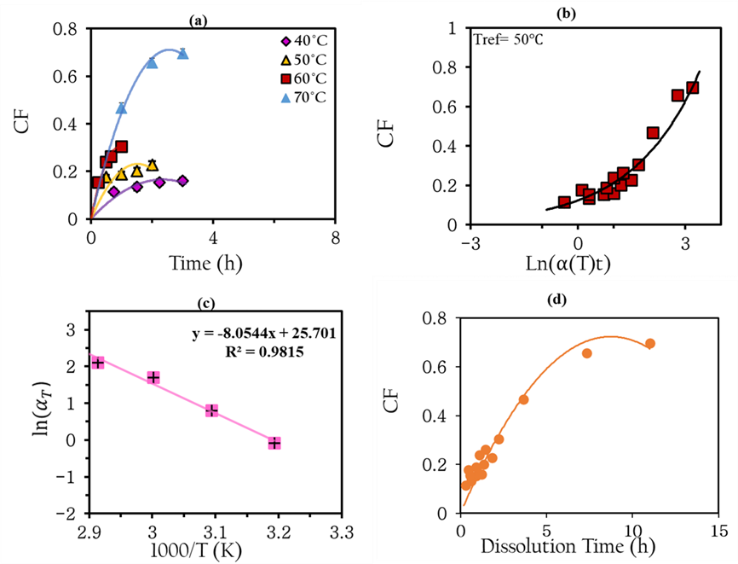
 | (a) | T | C.F. | Error bar | (b) | T | Time (hours) | ln time | C.F. | ln(𝛼(T)t) | (c) | T °C | 1000/T | LN(SHF) | Error bar | (d) | Dissolution Time | C.F.
 |  | 40°C | 0.11392958541 | 0.012901925264 |  | 40°C | 0.75 | -0.28768207245 | 0.11392958541 | -0.37768207245 |  | 40 | 3.1933578157 | -0.09 | 0.41 |  | 0.68544838895 | 0.11392958541
 |  |  | 0.13407453529 | 0.013989743439 |  |  | 1.5 | 0.40546510811 | 0.13407453529 | 0.31546510811 |  | 50 | 3.0945381402 | 0 | 0 |  | 1.3708967779 | 0.13407453529
 |  |  | 0.15446581404 | 0.011366599364 |  |  | 2.25 | 0.81093021622 | 0.15446581404 | 0.72093021622 |  | 60 | 3.001650908 | 1.7 | 0.15 |  | 2.0563451669 | 0.15446581404
 |  |  | 0.1602276306 | 0.013011221988 |  |  | 3 | 1.0986122887 | 0.1602276306 | 1.0086122887 |  | 70 | 2.9141774734 | 2.1 | 0.15 |  | 2.7417935558 | 0.1602276306
 |  |  |  |  |  |  |  |  |  |  |  |  |  |  |  |  | 1.1127704642 | 0.17730006242
 |  | 50°C | 0.17730006242 |  |  | 50°C | 0.5 | -0.69314718056 | 0.17730006242 | 0.10685281944 |  |  |  |  |  |  | 2.2255409285 | 0.18841809202
 |  |  | 0.18841809202 | 0.0081872559964 |  |  | 1 | 0 | 0.18841809202 | 0.8 |  |  |  |  |  |  | 3.3383113927 | 0.20114787624
 |  |  | 0.20114787624 | 0.011191832739 |  |  | 1.5 | 0.40546510811 | 0.20114787624 | 1.2054651081 |  |  |  |  |  |  | 4.451081857 | 0.22719279183
 |  |  | 0.22719279183 | 0.013827588978 |  |  | 2 | 0.69314718056 | 0.22719279183 | 1.4931471806 |  |  |  |  |  |  | 1.3684868479 | 0.15473919555
 |  |  |  | 0.016342440419 |  |  |  |  |  |  |  |  |  |  |  |  | 2.7369736959 | 0.23860126253
 |  |  |  |  |  |  | 0.25 | -1.3862943611 | 0.15473919555 | 0.31370563888 |  |  |  |  |  |  | 3.5580658046 | 0.26246565967
 |  | 60°C | 0.15473919555 | 0.017339692363 |  | 60°C | 0.5 | -0.69314718056 | 0.23860126253 | 1.0068528194 |  |  |  |  |  |  | 5.4739473917 | 0.30521243091
 |  |  | 0.23860126253 | 0.013146700597 |  |  | 0.65 | -0.43078291609 | 0.26246565967 | 1.2692170839 |  |  |  |  |  |  | 8.1661699126 | 0.46701393732
 |  |  | 0.26246565967 | 0.012900048861 |  |  | 1 | 0 | 0.30521243091 | 1.7 |  |  |  |  |  |  | 16.332339825 | 0.65613621522
 |  |  | 0.30521243091 | 0.020770534723 |  |  |  |  |  |  |  |  |  |  |  |  | 24.498509738 | 0.69738835556
 |  |  |  |  |  |  | 1 | 0 | 0.46701393732 | 2.1
 |  | 70°C | 0.46701393732 | 0.021675866186 |  | 70°C | 2 | 0.69314718056 | 0.65613621522 | 2.7931471806
 |  |  | 0.65613621522 | 0.019193896181 |  |  | 3 | 1.0986122887 | 0.69738835556 | 3.1986122887
 |  |  | 0.69738835556 | 0.018009497042

Fig. S2
Fig. S2: Viscosity as a function of shear rate at temperatures of 30, 40, 50, 60 and 80 ˚C for pure ILs (a) [C4mim][OAc] and (b) [C2mim][Oct]. (c) Viscosity at 50 °C verses shear rate of the three different ILs. (d) Shows ln (η) verses inverse temperature of the three ILs [C2mim][OAc], [C4mim][OAc] and [C2mim][Oct].

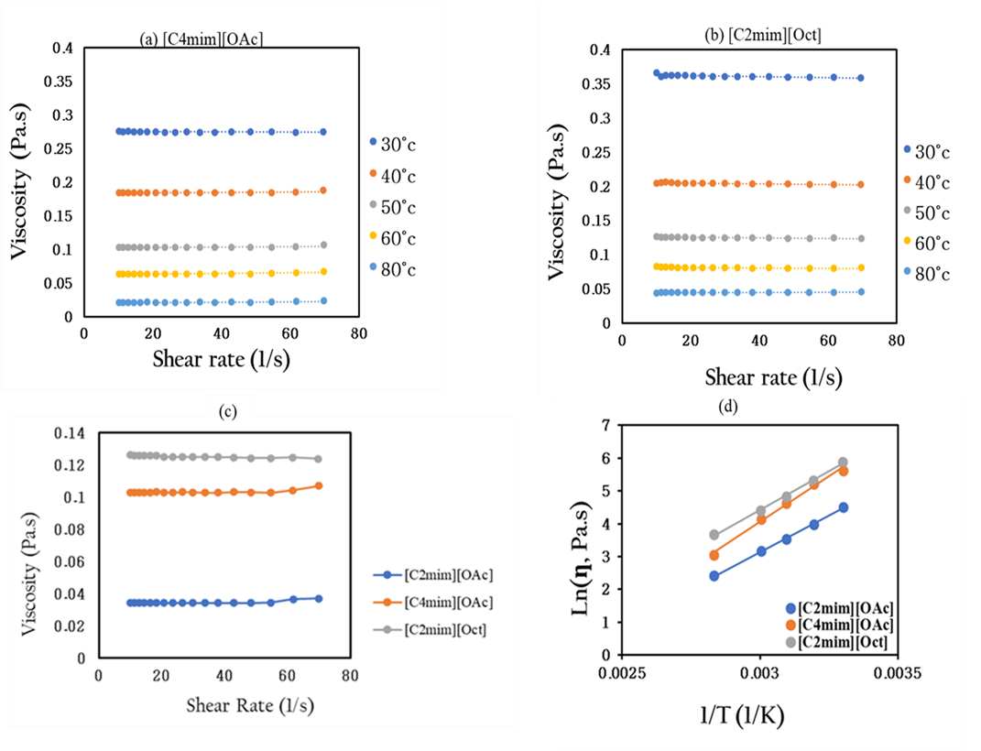
 | (a) [C4mim][OAc] |  | 30 ˚C | 40 ˚C |  | 50 ˚C |  | 60 ˚C |  | 80 ˚C |  | (c) | [C2mim][OAc] |  |  |  | [C4mim][OAc] |  |  |  | [C2mim][Oct]
 |  | Shear rate | Viscosity(Pa.s) | Shear rate | Viscosity(Pa.s) | Shear rate | Viscosity(Pa.s) | Shear rate | Viscosity(Pa.s) | Shear rate | Viscosity(Pa.s)
 |  | 10 | 0.27649666667 | 10 | 0.18467666667 | 10 | 0.10297 | 10 | 0.063556666667 | 10 | 0.021116333333 |  | Shear rate | Viscosity (Pa.s) |  |  | Shear rate | Viscosity (Pa.s) |  |  | shear rate | Viscosity (Pa.s)
 |  | 11.3 | 0.27532 | 11.3 | 0.18471 | 11.3 | 0.10312 | 11.3 | 0.063515666667 | 11.3 | 0.021108333333 |  | 10 | 0.034422666667 |  |  | 10 | 0.10297 |  |  | 10 | 0.12645666667
 |  | 12.7 | 0.27603666667 | 12.7 | 0.18455666667 | 12.7 | 0.10293 | 12.7 | 0.063494 | 12.7 | 0.021221333333 |  | 11.3 | 0.034461666667 |  |  | 11.3 | 0.10312 |  |  | 11.3 | 0.12576666667
 |  | 14.4 | 0.27548 | 14.4 | 0.18456333333 | 14.4 | 0.10304 | 14.4 | 0.063489333333 | 14.4 | 0.021117666667 |  | 12.7 | 0.034398 |  |  | 12.7 | 0.10293 |  |  | 12.7 | 0.12586333333
 |  | 16.2 | 0.27531666667 | 16.2 | 0.18451666667 | 16.2 | 0.10304 | 16.2 | 0.063442666667 | 16.2 | 0.021262 |  | 14.4 | 0.034186666667 |  |  | 14.4 | 0.10304 |  |  | 14.4 | 0.12578333333
 |  | 18.3 | 0.27485 | 18.3 | 0.18447333333 | 18.3 | 0.10315666667 | 18.3 | 0.063406666667 | 18.3 | 0.021482666667 |  | 16.2 | 0.034306666667 |  |  | 16.2 | 0.10304 |  |  | 16.2 | 0.12578666667
 |  | 20.7 | 0.2751 | 20.7 | 0.18445666667 | 20.7 | 0.10295333333 | 20.7 | 0.063458666667 | 20.7 | 0.021268 |  | 18.3 | 0.034192333333 |  |  | 18.3 | 0.10315666667 |  |  | 18.3 | 0.12572666667
 |  | 23.366666667 | 0.27454 | 23.4 | 0.18440666667 | 23.4 | 0.10289 | 23.4 | 0.063729666667 | 23.4 | 0.021115333333 |  | 20.7 | 0.034214666667 |  |  | 20.7 | 0.10295333333 |  |  | 20.7 | 0.12525666667
 |  | 26.4 | 0.27448333333 | 26.4 | 0.18460333333 | 26.4 | 0.10315333333 | 26.4 | 0.063406 | 26.4 | 0.021239666667 |  | 23.4 | 0.034157333333 |  |  | 23.4 | 0.10289 |  |  | 23.4 | 0.12502333333
 |  | 29.8 | 0.27501666667 | 29.8 | 0.18451666667 | 29.8 | 0.10303 | 29.8 | 0.063593666667 | 29.8 | 0.021232 |  | 26.4 | 0.034297666667 |  |  | 26.4 | 0.10315333333 |  |  | 26.4 | 0.12513666667
 |  | 33.6 | 0.27451666667 | 33.6 | 0.18443666667 | 33.6 | 0.10283666667 | 33.6 | 0.063458666667 | 33.6 | 0.021399333333 |  | 29.8 | 0.034307666667 |  |  | 29.8 | 0.10303 |  |  | 29.8 | 0.12492
 |  | 37.9 | 0.274 | 37.9 | 0.18446666667 | 37.9 | 0.10288666667 | 37.9 | 0.063653 | 37.9 | 0.021243333333 |  | 33.6 | 0.034225333333 |  |  | 33.6 | 0.10283666667 |  |  | 33.6 | 0.12516666667
 |  | 42.8 | 0.27479666667 | 42.8 | 0.18463333333 | 42.8 | 0.10329 | 42.8 | 0.063474666667 | 42.8 | 0.021467 |  | 37.9 | 0.034341333333 |  |  | 37.9 | 0.10288666667 |  |  | 37.9 | 0.12498333333
 |  | 48.3 | 0.27489 | 48.3 | 0.18433333333 | 48.3 | 0.10309 | 48.3 | 0.063383 | 48.3 | 0.021239 |  | 42.8 | 0.034281333333 |  |  | 42.8 | 0.10329 |  |  | 42.8 | 0.12477666667
 |  | 54.533333333 | 0.27474333333 | 54.5 | 0.18412333333 | 54.6 | 0.10288333333 | 54.6 | 0.064171666667 | 54.6 | 0.021677 |  | 48.3 | 0.034154 |  |  | 48.3 | 0.10309 |  |  | 48.3 | 0.12436666667
 |  | 61.6 | 0.27406 | 61.6 | 0.18512666667 | 61.6 | 0.10437333333 | 61.7 | 0.065297 | 61.7 | 0.023175 |  | 54.6 | 0.034541333333 |  |  | 54.6 | 0.10288333333 |  |  | 54.533333333 | 0.12430666667
 |  | 69.5 | 0.27507666667 | 69.6 | 0.18792 | 69.7 | 0.10705666667 | 69.7 | 0.067408333333 | 69.8 | 0.023622666667 |  | 61.7 | 0.036519666667 |  |  | 61.6 | 0.10437333333 |  |  | 61.6 | 0.12464333333
 |  |  |  |  |  |  |  |  |  |  |  |  | 69.7 | 0.036980666667 |  |  | 69.7 | 0.10705666667 |  |  | 69.6 | 0.12399

 |  |  |  |  |  |  |  |  |  |  |  |  | Average viscosity | 0.034587588235 |  |  | Average viscosity | 0.10333529412 |  |  | Average viscosity | 0.12517372549
 | (b) [C2mim][Oct] |  | 30 ˚C |  | 40 ˚C |  | 50 ˚C | 60 ˚C |  | 80 ˚C
 |  | Shear rate | Viscosity(Pa.s) | Shear rate | Viscosity(Pa.s) | Shear rate | Viscosity(Pa.s) | Shear rate | Viscosity(Pa.s) | Shear rate | Viscosity(Pa.s)
 |  | 10 | 0.36549666667 | 10 | 0.20483666667 | 10 | 0.12645666667 | 10 | 0.08332 | 10 | 0.044389666667 |  | (d) | [C2mim][OAc] | T | T(K) | ln(η) | 1/T | Ea | 37 | kJ/mol
 |  | 11.3 | 0.36008333333 | 11.3 | 0.20567333333 | 11.3 | 0.12576666667 | 11.3 | 0.082357 | 11.3 | 0.045615 |  |  |  | 30 | 303.15 | 4.5089411318 | 0.003300330033 | Error bar | 1
 |  | 12.7 | 0.36216 | 12.733333333 | 0.20634666667 | 12.7 | 0.12586333333 | 12.7 | 0.081992 | 12.7 | 0.04525 |  |  |  | 40 | 313.15 | 3.9727870013 | 0.0031948881789
 |  | 14.4 | 0.36223666667 | 14.4 | 0.20571 | 14.4 | 0.12578333333 | 14.4 | 0.081881 | 14.4 | 0.045068 |  |  |  | 50 | 323.15 | 3.534619046 | 0.0030959752322
 |  | 16.2 | 0.36209666667 | 16.2 | 0.20509 | 16.2 | 0.12578666667 | 16.2 | 0.081630333333 | 16.2 | 0.044892333333 |  |  |  | 60 | 333.15 | 3.1664089097 | 0.003003003003
 |  | 18.3 | 0.36201 | 18.3 | 0.20465666667 | 18.3 | 0.12572666667 | 18.3 | 0.081447 | 18.3 | 0.044864666667 |  |  |  | 80 | 353.15 | 2.4141935496 | 0.0028328611898
 |  | 20.7 | 0.36114333333 | 20.7 | 0.20488333333 | 20.7 | 0.12525666667 | 20.7 | 0.081569 | 20.7 | 0.045135666667
 |  | 23.333333333 | 0.36094 | 23.366666667 | 0.20479333333 | 23.4 | 0.12502333333 | 23.366666667 | 0.081255666667 | 23.366666667 | 0.045185
 |  | 26.4 | 0.36062 | 26.4 | 0.20440333333 | 26.4 | 0.12513666667 | 26.4 | 0.080983333333 | 26.4 | 0.044784 |  |  | [C4mim][OAc] | T | T(K) | ln (η) | 1/T | Ea | 46 | kJ/mol
 |  | 29.8 | 0.36063333333 | 29.8 | 0.20455333333 | 29.8 | 0.12492 | 29.8 | 0.080900666667 | 29.8 | 0.044817333333 |  |  |  | 30 | 303.15 | 5.6169901213 | 0.003300330033 | Error bar | 2
 |  | 33.6 | 0.36027333333 | 33.6 | 0.20357666667 | 33.6 | 0.12516666667 | 33.6 | 0.080946666667 | 33.6 | 0.044804666667 |  |  |  | 40 | 313.15 | 5.2177849557 | 0.0031948881789
 |  | 37.9 | 0.36004 | 37.9 | 0.20379333333 | 37.9 | 0.12498333333 | 37.9 | 0.080861666667 | 37.9 | 0.044925 |  |  |  | 50 | 323.15 | 4.6349970984 | 0.0030959752322
 |  | 42.8 | 0.35995 | 42.8 | 0.20358 | 42.8 | 0.12477666667 | 42.8 | 0.080897333333 | 42.8 | 0.044807666667 |  |  |  | 60 | 333.15 | 4.1511100197 | 0.003003003003
 |  | 48.3 | 0.35938333333 | 48.3 | 0.20357333333 | 48.3 | 0.12436666667 | 48.3 | 0.080818 | 48.3 | 0.045098 |  |  |  | 80 | 353.15 | 3.0563972307 | 0.0028328611898
 |  | 54.6 | 0.35919333333 | 54.533333333 | 0.20321 | 54.533333333 | 0.12430666667 | 54.533333333 | 0.080729333333 | 54.5 | 0.045135
 |  | 61.6 | 0.35920333333 | 61.6 | 0.20322 | 61.6 | 0.12464333333 | 61.6 | 0.080788 | 61.6 | 0.045249666667
 |  | 69.5 | 0.35886333333 | 69.5 | 0.20274 | 69.6 | 0.12399 | 69.6 | 0.081228333333 | 69.6 | 0.046392666667 |  |  | [C2mim][Oct] | T(˚C) | T(K) | ln(η) | 1/T | Ea | 40 | kJ/mol
 |  |  |  |  |  |  |  |  |  |  |  |  |  |  | 30 | 303.15 | 5.8884422543 | 0.0032986970147 | Error bar | 1
 |  |  |  |  |  |  |  |  |  |  |  |  |  |  | 40 | 313.15 | 5.3200328115 | 0.0031933578157
 |  |  |  |  |  |  |  |  |  |  |  |  |  |  | 50 | 323.15 | 4.8297025763 | 0.0030945381402
 |  |  |  |  |  |  |  |  |  |  |  |  |  |  | 60 | 333.15 | 4.3992345877 | 0.003001650908
 |  |  |  |  |  |  |  |  |  |  |  |  |  |  | 80 | 353.15 | 3.6666649205 | 0.0028316579357

Fig.S3
Fig. S3: Viscosity as a function of shear rate at temperatures of 30, 40, 50, 60 and 80 ˚C for pure [C2mim][OAc].

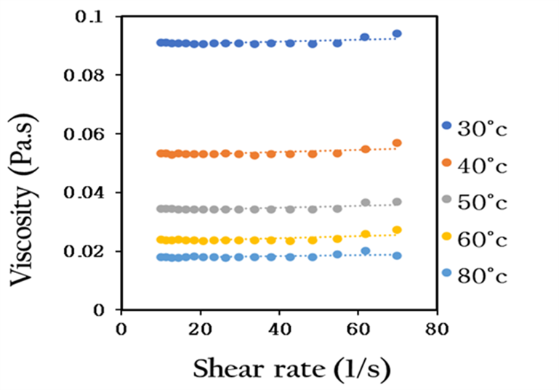
 |  | 30 ˚C | 40 ˚C |  | 50 ˚C |  | 60 ˚C |  | 80 ˚C
 | Shear rate | Viscosity(Pa.s) | Shear rate | Viscosity(Pa.s) | Shear rate | Viscosity(Pa.s) | Shear rate | Viscosity(Pa.s) | Shear rate | Viscosity(Pa.s)
 | 10 | 0.091057666667 | 10 | 0.053265333333 | 10 | 0.034422666667 | 10 | 0.023982333333 | 10 | 0.018053333333
 | 11.3 | 0.091052666667 | 11.3 | 0.053382666667 | 11.3 | 0.034461666667 | 11.3 | 0.023646333333 | 11.3 | 0.017948333333
 | 12.7 | 0.090742333333 | 12.7 | 0.052996 | 12.7 | 0.034398 | 12.7 | 0.023714 | 12.7 | 0.017821333333
 | 14.4 | 0.090963 | 14.4 | 0.053264 | 14.4 | 0.034186666667 | 14.4 | 0.023885666667 | 14.4 | 0.017865333333
 | 16.2 | 0.090877 | 16.2 | 0.053114333333 | 16.2 | 0.034306666667 | 16.2 | 0.023719 | 16.2 | 0.018056333333
 | 18.3 | 0.090641333333 | 18.3 | 0.05317 | 18.3 | 0.034192333333 | 18.3 | 0.023770666667 | 18.3 | 0.018181666667
 | 20.7 | 0.090658 | 20.7 | 0.053118666667 | 20.7 | 0.034214666667 | 20.7 | 0.023555 | 20.7 | 0.017987333333
 | 23.4 | 0.090957333333 | 23.4 | 0.053208666667 | 23.4 | 0.034157333333 | 23.4 | 0.023684666667 | 23.4 | 0.018032666667
 | 26.4 | 0.090770666667 | 26.4 | 0.053242666667 | 26.4 | 0.034297666667 | 26.4 | 0.023642333333 | 26.4 | 0.017836
 | 29.8 | 0.090767 | 29.8 | 0.053004333333 | 29.8 | 0.034307666667 | 29.8 | 0.023802333333 | 29.8 | 0.018026333333
 | 33.6 | 0.090707 | 33.6 | 0.052742 | 33.6 | 0.034225333333 | 33.6 | 0.023837333333 | 33.6 | 0.018025
 | 37.9 | 0.090859666667 | 37.9 | 0.053012666667 | 37.9 | 0.034341333333 | 37.9 | 0.023634666667 | 37.9 | 0.018051333333
 | 42.8 | 0.090856666667 | 42.8 | 0.053221333333 | 42.8 | 0.034281333333 | 42.8 | 0.023552 | 42.8 | 0.018115666667
 | 48.3 | 0.090648 | 48.3 | 0.053111 | 48.3 | 0.034154 | 48.3 | 0.023683666667 | 48.3 | 0.017907
 | 54.6 | 0.090956 | 54.6 | 0.053344 | 54.6 | 0.034541333333 | 54.6 | 0.024190666667 | 54.6 | 0.018861333333
 | 61.633333333 | 0.093071333333 | 61.7 | 0.054751 | 61.7 | 0.036519666667 | 61.7 | 0.025818 | 61.7 | 0.020165
 | 69.7 | 0.094294666667 | 69.7 | 0.056951 | 69.7 | 0.036980666667 | 69.733333333 | 0.027242 | 69.8 | 0.018416666667

Fig. S4
Fig. S4: High field 1H NMR spectrum (400〖MH〗_Z) of pure ILs at 30°C, with peak assignments given in red for protons labelled 1-7 for the [C2mim][OAc] (a), 1-9 for the [C4mim][OAc] (b), and 1-10 for the [C2mim][Oct] (c). The chemical structure is shown, and the inset includes corresponding labels.

